正常終了_Normal
No.20

 | 前提条件 /Prerequisite

 | SELECT *
 | FROM J_EDI_SND_DB_SEIKYU_CHK
 | WHERE data_kokan_id = '001440'
 | AND EDI_KINO_CATEGORY_CD = 'A130'
 | AND EDI_SND_JOKYO_SBT = '1'
 | order by SND_SEQ_NO;
 | SND_SEQ_NO | KEIJO_JOKYO_SBT | ERR_SBT | SIGN_KBN | SIR_DEN_NO | DATA_KOKAN_ID | EDI_KINO_CATEGORY_CD | ERR_MSG_HININ_RIYU | SOSHIKI_CD | TANTO | REG_YMD | KEIJO_YMD | SUP_CD | RCV_SEQ_NO | EDI_SND_JOKYO_SBT | SND_DT | SND_DATA_DEL_KBN | SHUKKA_HOKOKU_NO | ITEM_CD | EDI_SHOGO_KEY | HAN_CHUMON_NO | FUNC_UKETSUKE_NO | DEL_KBN | CREATE_DT | CREATE_USR | CREATE_FUNC | NEW_UPDATE_DT | NEW_UPDATE_USR | NEW_UPDATE_FUNC | UPDATE_CNT
 | S501769441 | 0 | 0 |  |  | 001440 | A130 |  | 23201 |  | 20170920 |  | 0014400002 | SA05635251 | 1 |  | 0 | 91664547 | 0000000516 | 31551718 |  | 631337 | 0 | 2017/09/20 20:15:15 | 99999 | SABN150PGM010 | 2025/08/07 13:31:44 | EDI | m_CMN_請求確認_データ抽出_010 | 4
 | S501770602 | 1 | 0 |  | DB09232766 | 001440 | A130 |  | 23203 | 99999 | 20170921 | 20170921 | 0014400023 | SA05638761 | 1 |  | 0 | 91664899 | 0000027069 | 31552597 |  | 631337 | 0 | 2017/09/21 20:15:13 | 99999 | SABN150PGM010 | 2025/08/07 13:23:47 | EDI | m_CMN_請求確認_データ抽出_010 | 4
 | S501770603 | 2 | 0 |  | DB09234446 | 001440 | A130 |  | 22101 | 17019 | 20170920 | 20170919 | 0014400037 | SA05635253 | 1 |  | 0 | 91664712 | 0000036290 | 31545883 |  | 631337 | 0 | 2017/09/21 20:15:13 | 99999 | SABN150PGM010 | 2025/08/07 13:31:44 | EDI | m_CMN_請求確認_データ抽出_010 | 4
 | S501771801 | 3 | 0 |  | DB09243142 | 001440 | A130 |  | 23201 | 02035 | 20170920 | 20170921 | 0014400002 | SA05635251 | 1 |  | 0 | 91664547 | 0000000516 | 31551718 |  | 631337 | 0 | 2017/09/22 20:15:12 | 99999 | SABN150PGM010 | 2025/08/07 13:31:44 | EDI | m_CMN_請求確認_データ抽出_010 | 4
 | S501773945 | 4 | 0 |  | DB09253165 | 001440 | A130 |  | 23103 | 02052 | 20170926 | 20170926 | 0014400002 | SA05649566 | 1 |  | 0 | 91666341 | 0000090992 | 31547212 |  | 631337 | 0 | 2017/09/26 20:15:17 | 99999 | SABN150PGM010 | 2025/08/07 13:31:44 | EDI | m_CMN_請求確認_データ抽出_010 | 4
 | S501773946 | 5 | 0 |  | DB09250290 | 001440 | A130 |  | 23201 | 99999 | 20170926 | 20170926 | 0014400002 | SA05649565 | 1 |  | 0 | 91666293 | 0000000516 | 31554709 |  | 631337 | 0 | 2017/09/26 20:15:17 | 99999 | SABN150PGM010 | 2025/08/07 13:31:44 | EDI | m_CMN_請求確認_データ抽出_010 | 4
 | S501774729 | 6 | 0 |  | DB09254456 | 001440 | A130 |  | 23203 | 99999 | 20170927 | 20170927 | 0014400023 | SA05652157 | 1 |  | 0 | 91666678 | 0000027069 | 31552598 |  | 631337 | 0 | 2017/09/27 21:44:52 | 99999 | SABN150PGM010 | 2025/08/07 13:31:44 | EDI | m_CMN_請求確認_データ抽出_010 | 4

 | 実施 /Implementation

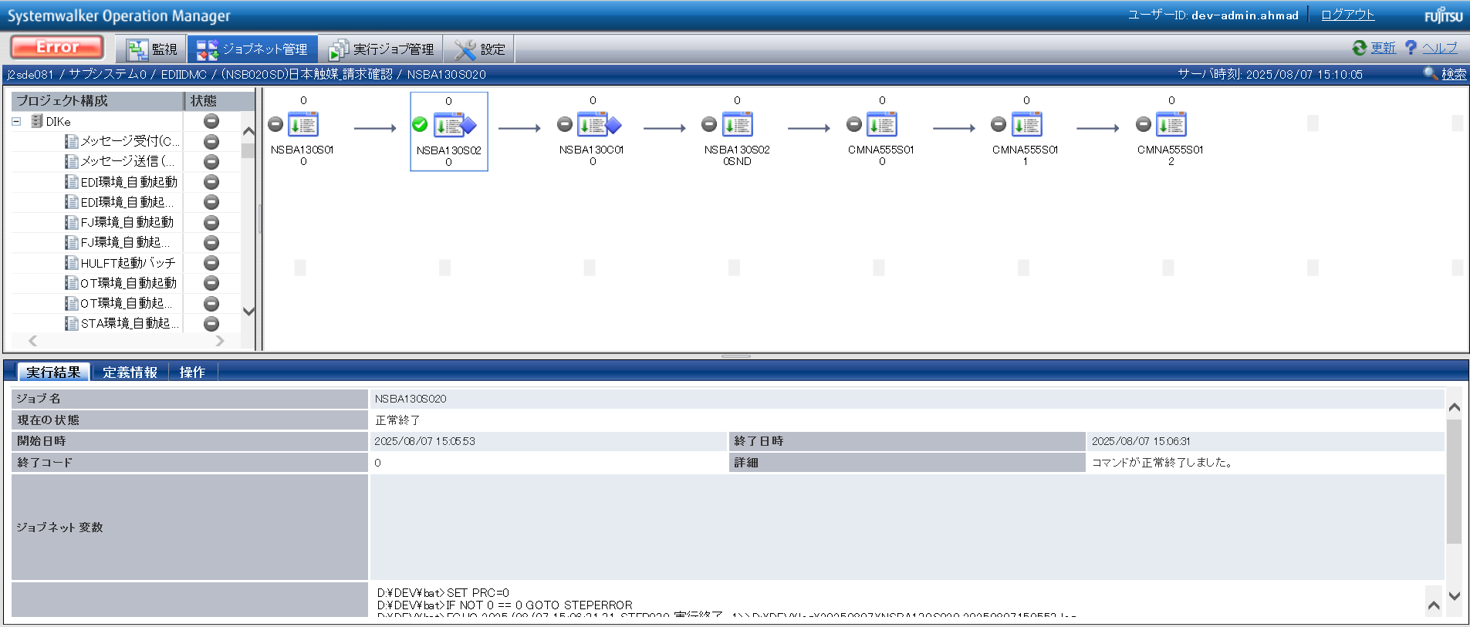

確認観点 ① /Confirmation viewpoint ①
/Systemwalker終了コード"0"で終了を確認。
/Confirmed termination with Systemwalker exit code "0".

No.5
No.6
No.7
No.8
No.9

 | 前提条件 /Prerequisite

 | 特になし。
 | /N/A

 | 実施 /Implementation

 | 送信ファイルが出力されていること。・NSBA1301

No.8 OK

確認観点① /Confirmation viewpoint ①
指定したパスに生成される「p_t_NSB_請求確認_030.param」のパス。
/Path of "p_t_NSB_請求確認_030.param"generated at specified path.

 | p_t_NSB_請求確認_030.param

確認観点 ② /Confirmation viewpoint ②
/詳細が正しいことを確認しました。
/Confirmed the details are correct.

No.05 OK
No.06 OK
No.07 OK
No.09 OK

No.13

 | 前提条件 /Prerequisite

 | [No.13_データ入力]シートを参照

 | 実施 /Implementation

 | SELECT *
 | FROM v$locked_object lo
 | JOIN dba_objects ao ON lo.object_id = ao.object_id
 | JOIN v$session s ON lo.session_id = s.sid;
 | XIDUSN | XIDSLOT | XIDSQN | OBJECT_ID | SESSION_ID | ORACLE_USERNAME | OS_USER_NAME | PROCESS | LOCKED_MODE | CON_ID | OWNER | OBJECT_NAME | SUBOBJECT_NAME | OBJECT_ID_1 | DATA_OBJECT_ID | OBJECT_TYPE | CREATED | LAST_DDL_TIME | TIMESTAMP | STATUS | TEMPORARY | GENERATED | SECONDARY | NAMESPACE | EDITION_NAME | SHARING | EDITIONABLE | ORACLE_MAINTAINED | APPLICATION | DEFAULT_COLLATION | DUPLICATED | SHARDED | CREATED_APPID | CREATED_VSNID | MODIFIED_APPID | MODIFIED_VSNID | SADDR | SID | SERIAL# | AUDSID | PADDR | USER# | USERNAME | COMMAND | OWNERID | TADDR | LOCKWAIT | STATUS_1 | SERVER | SCHEMA# | SCHEMANAME | OSUSER | PROCESS_1 | MACHINE | PORT | TERMINAL | PROGRAM | TYPE | SQL_ADDRESS | SQL_HASH_VALUE | SQL_ID | SQL_CHILD_NUMBER | SQL_EXEC_START | SQL_EXEC_ID | PREV_SQL_ADDR | PREV_HASH_VALUE | PREV_SQL_ID | PREV_CHILD_NUMBER | PREV_EXEC_START | PREV_EXEC_ID | PLSQL_ENTRY_OBJECT_ID | PLSQL_ENTRY_SUBPROGRAM_ID | PLSQL_OBJECT_ID | PLSQL_SUBPROGRAM_ID | MODULE | MODULE_HASH | ACTION | ACTION_HASH | CLIENT_INFO | FIXED_TABLE_SEQUENCE | ROW_WAIT_OBJ# | ROW_WAIT_FILE# | ROW_WAIT_BLOCK# | ROW_WAIT_ROW# | TOP_LEVEL_CALL# | LOGON_TIME | LAST_CALL_ET | PDML_ENABLED | FAILOVER_TYPE | FAILOVER_METHOD | FAILED_OVER | RESOURCE_CONSUMER_GROUP | PDML_STATUS | PDDL_STATUS | PQ_STATUS | CURRENT_QUEUE_DURATION | CLIENT_IDENTIFIER | BLOCKING_SESSION_STATUS | BLOCKING_INSTANCE | BLOCKING_SESSION | FINAL_BLOCKING_SESSION_STATUS | FINAL_BLOCKING_INSTANCE | FINAL_BLOCKING_SESSION | SEQ# | EVENT# | EVENT | P1TEXT | P1 | P1RAW | P2TEXT | P2 | P2RAW | P3TEXT | P3 | P3RAW | WAIT_CLASS_ID | WAIT_CLASS# | WAIT_CLASS | WAIT_TIME | SECONDS_IN_WAIT | STATE | WAIT_TIME_MICRO | TIME_REMAINING_MICRO | TIME_SINCE_LAST_WAIT_MICRO | SERVICE_NAME | SQL_TRACE | SQL_TRACE_WAITS | SQL_TRACE_BINDS | SQL_TRACE_PLAN_STATS | SESSION_EDITION_ID | CREATOR_ADDR | CREATOR_SERIAL# | ECID | SQL_TRANSLATION_PROFILE_ID | PGA_TUNABLE_MEM | SHARD_DDL_STATUS | CON_ID_1 | EXTERNAL_NAME | PLSQL_DEBUGGER_CONNECTED
 | 2 | 27 | 1657339 | 278707 | 515 | DEV3ITUSER | UNKNOWN_USER | 10468:27152 | 3 | 0 | DEV3ITUSER | J_EDI_RCV_DB_SUP |  | 278707 | 278707 | TABLE | 8/21/19 | 8/22/19 | 2019-08-21:21:11:56 | VALID | N | N | N | 1 |  | NONE |  | N | N | USING_NLS_COMP | N | N |  |  |  |  | 00007FFA82D75E28 | 515 | 42424 | 819896592 | 00007FFA82316E10 | 180 | DEV3ITUSER | 0 | 2147483644 | 00007FFA7B7195D8 |  | INACTIVE | DEDICATED | 180 | DEV3ITUSER | UNKNOWN_USER | 10468:27152 | adev\j2sde081 | 53221 | j2sde081 | ORACLE.EXE (SHAD) | USER | 00 | 0 |  |  |  |  | 00007FFA6FB9B138 | 3853885075 | csgtwcvkvb7nm | 0 | 6/25/25 | 16778579 |  |  |  |  | ORACLE.EXE (SHAD) | 2745123229 |  | 0 |  | 574444 | 281875 | 77 | 2059860 | 0 | 94 | 6/25/25 | 0 | NO | NONE | NONE | NO | OTHER_GROUPS | DISABLED | DISABLED | DISABLED | 0 |  | NO HOLDER |  |  | UNKNOWN |  |  | 4051 | 418 | SQL*Net message from client | driver id | 675562835 | 0000000028444553 | #bytes | 1 | 0000000000000001 |  | 0 | 00 | 2723168908 | 6 | Idle | 0 | 0 | WAITING | 0 | -1 | 0 | j2sde034.adev.local | DISABLED | FALSE | FALSE | FIRST EXEC | 133 | 00007FFA82316E10 | 201 |  | 0 | 0 | DISABLED | 0 |  | FALSE
 | 2 | 27 | 1657339 | 278715 | 515 | DEV3ITUSER | UNKNOWN_USER | 10468:27152 | 3 | 0 | DEV3ITUSER | J_EDI_SND_DB_SEIKYU_CHK |  | 278715 | 278715 | TABLE | 8/21/19 | 8/22/19 | 2019-08-21:21:12:00 | VALID | N | N | N | 1 |  | NONE |  | N | N | USING_NLS_COMP | N | N |  |  |  |  | 00007FFA82D75E28 | 515 | 42424 | 819896592 | 00007FFA82316E10 | 180 | DEV3ITUSER | 0 | 2147483644 | 00007FFA7B7195D8 |  | INACTIVE | DEDICATED | 180 | DEV3ITUSER | UNKNOWN_USER | 10468:27152 | adev\j2sde081 | 53221 | j2sde081 | ORACLE.EXE (SHAD) | USER | 00 | 0 |  |  |  |  | 00007FFA6FB9B138 | 3853885075 | csgtwcvkvb7nm | 0 | 6/25/25 | 16778579 |  |  |  |  | ORACLE.EXE (SHAD) | 2745123229 |  | 0 |  | 574444 | 281875 | 77 | 2059860 | 0 | 94 | 6/25/25 | 0 | NO | NONE | NONE | NO | OTHER_GROUPS | DISABLED | DISABLED | DISABLED | 0 |  | NO HOLDER |  |  | UNKNOWN |  |  | 4051 | 418 | SQL*Net message from client | driver id | 675562835 | 0000000028444553 | #bytes | 1 | 0000000000000001 |  | 0 | 00 | 2723168908 | 6 | Idle | 0 | 0 | WAITING | 0 | -1 | 0 | j2sde034.adev.local | DISABLED | FALSE | FALSE | FIRST EXEC | 133 | 00007FFA82316E10 | 201 |  | 0 | 0 | DISABLED | 0 |  | FALSE
No.13 OK

No.14
No.15
No.16

 | 前提条件 /Prerequisite

 | 特になし。
 | /N/A

 | 実施 /Implementation

 | バッチログが出力されている /Batch log is output

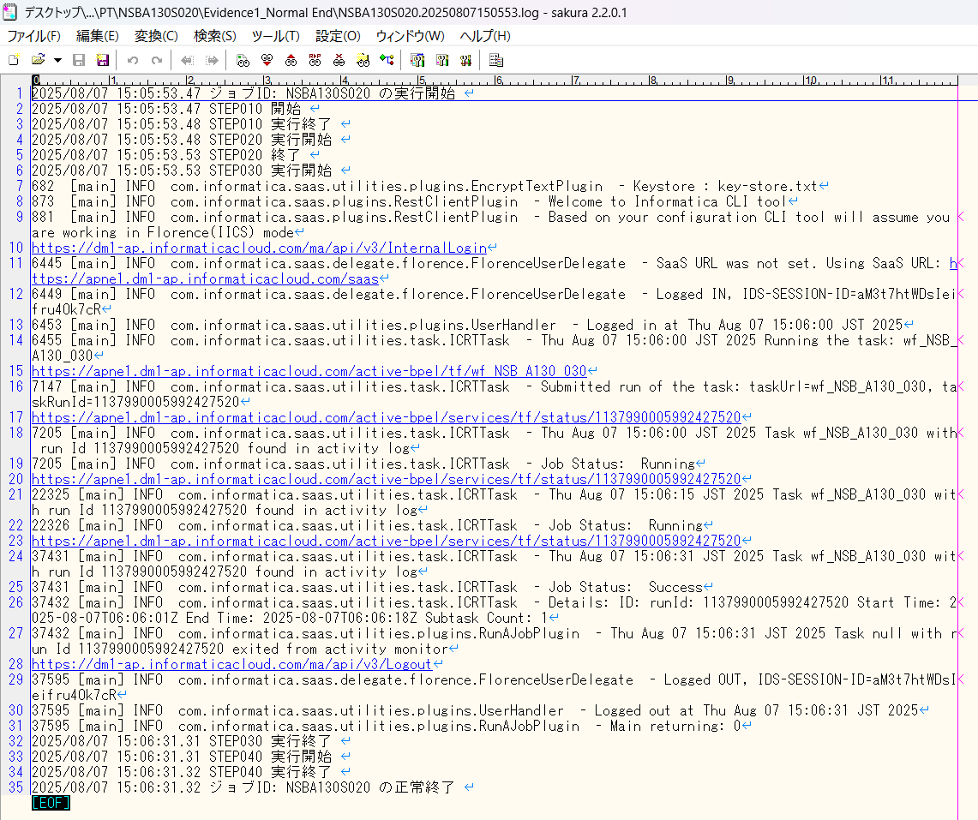

確認観点① /Confirmation viewpoint ①
以下の情報が出力されている
・開始メッセージ
・ステップメッセージ
・終了メッセージ
/The following information is output
・Start message
・Step message
・Completion message

 | セッションログが出力されている/Session log is output
 | セッションインポートログが出力されている/Session import log is output

No.14 OK
No.15 OK
No.16 OK

No.32
No.33
No.34

 | 前提条件 /Prerequisite

 | 特になし。 | /N/A

 | 実施 /Implementation

 | ・連携ファイルのテスト条件(NSBA130S02001)※1の件数 = 送信ファイル(NSBA1301)の出力件数 であること
 | /・The number of test conditions for the linked file(NSBA130S02001) *1 = the number of output items in the sent file (NSBA1301)
 | NSBA130S02001

 | NSBA1301

No.32 OK
No.33 OK
No.34 OK

No.41
No.42
No.44
No.45
No.46
No.47
No.48

 | 前提条件 /Prerequisite

 | 特になし。 | /N/A

 | 実施 /Implementation

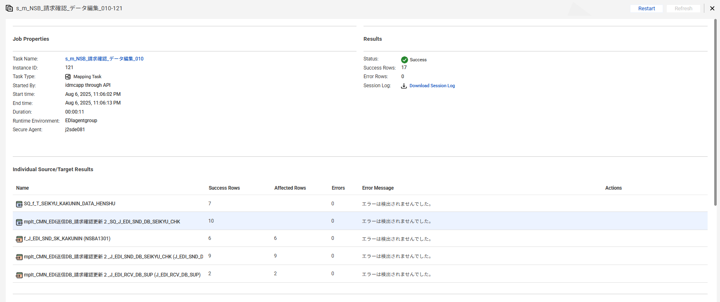

No.41 OK
No.42 OK

 | EDI送信DB_請求確認を取得
 | 【実行前】
 | SELECT *
 | FROM J_EDI_SND_DB_SEIKYU_CHK
 | WHERE data_kokan_id = '001440'
 | AND EDI_KINO_CATEGORY_CD = 'A130'
 | AND SND_SEQ_NO IN ('S501769441','S501770602','S501770603',
 | 'S501771801','S501773945','S501773946',
 | 'S501774729');
 | SND_SEQ_NO | KEIJO_JOKYO_SBT | ERR_SBT | SIGN_KBN | SIR_DEN_NO | DATA_KOKAN_ID | EDI_KINO_CATEGORY_CD | ERR_MSG_HININ_RIYU | SOSHIKI_CD | TANTO | REG_YMD | KEIJO_YMD | SUP_CD | RCV_SEQ_NO | EDI_SND_JOKYO_SBT | SND_DT | SND_DATA_DEL_KBN | SHUKKA_HOKOKU_NO | ITEM_CD | EDI_SHOGO_KEY | HAN_CHUMON_NO | FUNC_UKETSUKE_NO | DEL_KBN | CREATE_DT | CREATE_USR | CREATE_FUNC | NEW_UPDATE_DT | NEW_UPDATE_USR | NEW_UPDATE_FUNC | UPDATE_CNT
 | S501769441 | 0 | 0 |  |  | 001440 | A130 |  | 23201 |  | 20170920 |  | 0014400002 | SA05635251 | 1 |  | 0 | 91664547 | 0000000516 | 31551718 |  | 631337 | 0 | 2017/09/20 20:15:15 | 99999 | SABN150PGM010 | 2025/08/07 13:31:44 | EDI | m_CMN_請求確認_データ抽出_010 | 4
 | S501770602 | 1 | 0 |  | DB09232766 | 001440 | A130 |  | 23203 | 99999 | 20170921 | 20170921 | 0014400023 | SA05638761 | 1 |  | 0 | 91664899 | 0000027069 | 31552597 |  | 631337 | 0 | 2017/09/21 20:15:13 | 99999 | SABN150PGM010 | 2025/08/07 13:23:47 | EDI | m_CMN_請求確認_データ抽出_010 | 4
 | S501770603 | 2 | 0 |  | DB09234446 | 001440 | A130 |  | 22101 | 17019 | 20170920 | 20170919 | 0014400037 | SA05635253 | 1 |  | 0 | 91664712 | 0000036290 | 31545883 |  | 631337 | 0 | 2017/09/21 20:15:13 | 99999 | SABN150PGM010 | 2025/08/07 13:31:44 | EDI | m_CMN_請求確認_データ抽出_010 | 4
 | S501771801 | 3 | 0 |  | DB09243142 | 001440 | A130 |  | 23201 | 02035 | 20170920 | 20170921 | 0014400002 | SA05635251 | 1 |  | 0 | 91664547 | 0000000516 | 31551718 |  | 631337 | 0 | 2017/09/22 20:15:12 | 99999 | SABN150PGM010 | 2025/08/07 13:31:44 | EDI | m_CMN_請求確認_データ抽出_010 | 4
 | S501773945 | 4 | 0 |  | DB09253165 | 001440 | A130 |  | 23103 | 02052 | 20170926 | 20170926 | 0014400002 | SA05649566 | 1 |  | 0 | 91666341 | 0000090992 | 31547212 |  | 631337 | 0 | 2017/09/26 20:15:17 | 99999 | SABN150PGM010 | 2025/08/07 13:31:44 | EDI | m_CMN_請求確認_データ抽出_010 | 4
 | S501773946 | 5 | 0 |  | DB09250290 | 001440 | A130 |  | 23201 | 99999 | 20170926 | 20170926 | 0014400002 | SA05649565 | 1 |  | 0 | 91666293 | 0000000516 | 31554709 |  | 631337 | 0 | 2017/09/26 20:15:17 | 99999 | SABN150PGM010 | 2025/08/07 13:31:44 | EDI | m_CMN_請求確認_データ抽出_010 | 4
 | S501774729 | 6 | 0 |  | DB09254456 | 001440 | A130 |  | 23203 | 99999 | 20170927 | 20170927 | 0014400023 | SA05652157 | 1 |  | 0 | 91666678 | 0000027069 | 31552598 |  | 631337 | 0 | 2017/09/27 21:44:52 | 99999 | SABN150PGM010 | 2025/08/07 13:31:44 | EDI | m_CMN_請求確認_データ抽出_010 | 4

 | 【実行後】
 | SELECT *
 | FROM J_EDI_SND_DB_SEIKYU_CHK
 | WHERE data_kokan_id = '001440'
 | AND EDI_KINO_CATEGORY_CD = 'A130'
 | AND SND_SEQ_NO IN ('S501769441','S501770602','S501770603',
 | 'S501771801','S501773945','S501773946',
 | 'S501774729');
 | SND_SEQ_NO | KEIJO_JOKYO_SBT | ERR_SBT | SIGN_KBN | SIR_DEN_NO | DATA_KOKAN_ID | EDI_KINO_CATEGORY_CD | ERR_MSG_HININ_RIYU | SOSHIKI_CD | TANTO | REG_YMD | KEIJO_YMD | SUP_CD | RCV_SEQ_NO | EDI_SND_JOKYO_SBT | SND_DT | SND_DATA_DEL_KBN | SHUKKA_HOKOKU_NO | ITEM_CD | EDI_SHOGO_KEY | HAN_CHUMON_NO | FUNC_UKETSUKE_NO | DEL_KBN | CREATE_DT | CREATE_USR | CREATE_FUNC | NEW_UPDATE_DT | NEW_UPDATE_USR | NEW_UPDATE_FUNC | UPDATE_CNT
 | S501769441 | 0 | 0 |  |  | 001440 | A130 |  | 23201 |  | 20170920 |  | 0014400002 | SA05635251 | 3 |  | 0 | 91664547 | 0000000516 | 31551718 |  | 631339 | 0 | 2017/09/20 20:15:15 | 99999 | SABN150PGM010 | 2025/08/07 15:06:11 | EDI | m_NSB_請求確認_データ編集_010 | 5
 | S501770602 | 1 | 0 |  | DB09232766 | 001440 | A130 |  | 23203 | 99999 | 20170921 | 20170921 | 0014400023 | SA05638761 | 3 |  | 0 | 91664899 | 0000027069 | 31552597 |  | 631339 | 0 | 2017/09/21 20:15:13 | 99999 | SABN150PGM010 | 2025/08/07 15:06:11 | EDI | m_NSB_請求確認_データ編集_010 | 5
 | S501770603 | 2 | 0 |  | DB09234446 | 001440 | A130 |  | 22101 | 17019 | 20170920 | 20170919 | 0014400037 | SA05635253 | 3 |  | 0 | 91664712 | 0000036290 | 31545883 |  | 631339 | 0 | 2017/09/21 20:15:13 | 99999 | SABN150PGM010 | 2025/08/07 15:06:11 | EDI | m_NSB_請求確認_データ編集_010 | 5
 | S501771801 | 3 | 0 |  | DB09243142 | 001440 | A130 |  | 23201 | 02035 | 20170920 | 20170921 | 0014400002 | SA05635251 | 3 |  | 0 | 91664547 | 0000000516 | 31551718 |  | 631339 | 0 | 2017/09/22 20:15:12 | 99999 | SABN150PGM010 | 2025/08/07 15:06:11 | EDI | m_NSB_請求確認_データ編集_010 | 5
 | S501773945 | 4 | 0 |  | DB09253165 | 001440 | A130 |  | 23103 | 02052 | 20170926 | 20170926 | 0014400002 | SA05649566 | 3 |  | 0 | 91666341 | 0000090992 | 31547212 |  | 631339 | 0 | 2017/09/26 20:15:17 | 99999 | SABN150PGM010 | 2025/08/07 15:06:11 | EDI | m_NSB_請求確認_データ編集_010 | 5
 | S501773946 | 5 | 0 |  | DB09250290 | 001440 | A130 |  | 23201 | 99999 | 20170926 | 20170926 | 0014400002 | SA05649565 | 3 |  | 0 | 91666293 | 0000000516 | 31554709 |  | 631339 | 0 | 2017/09/26 20:15:17 | 99999 | SABN150PGM010 | 2025/08/07 15:06:11 | EDI | m_NSB_請求確認_データ編集_010 | 5
 | S501774729 | 6 | 0 |  | DB09254456 | 001440 | A130 |  | 23203 | 99999 | 20170927 | 20170927 | 0014400023 | SA05652157 | 1 |  | 0 | 91666678 | 0000027069 | 31552598 |  | 631337 | 0 | 2017/09/27 21:44:52 | 99999 | SABN150PGM010 | 2025/08/07 13:31:44 | EDI | m_CMN_請求確認_データ抽出_010 | 4
No.44 OK
No.45 OK

 | EDI受信DB_仕入先
 | 【実行前】
 | select * from J_EDI_RCV_DB_SUP
 | where DATA_KOKAN_ID = '001440'
 | AND RCV_SEQ_NO in ('SA05635251','SA05638761',
 | 'SA05635253','SA05635251',
 | 'SA05649566','SA05649565','SA05652157')
 | order by RCV_SEQ_NO;
 | RCV_SEQ_NO | DATA_KOKAN_ID | EDI_KINO_CATEGORY_CD | HAN_FUMEI_KBN | HAN_CD | HAN_CD_KAKUTEI | RCV_SOSHIKI_CD | RCV_SOSHIKI_CD_KAKUTEI | CONFIRM_SIR_SKNIN_SSHK_CD_OLD | CONFIRM_SIR_SKNIN_SSHK_CD_NEW | SUP_FUMEI_KBN | SUP_CD | SUP_CD_KAKUTEI | ITEM_FUMEI_KBN | ITEM_CD | ITEM_CD_KAKUTEI | ITEM_BESSHO_CD | SOKO_FUMEI_KBN | SOKO_CD | SOKO_CD_KAKUTEI | HOMBU_CD | NNY_CD | NNY_CD_KAKUTEI | NNY_NM | NNY_NM_KAKUTEI | MENU_NO | ITEM_TAIHI_AITE_CD | HAN_TAIHI_AITE_CD | HAC_BUSHO_TAIHI_AITE_CD | EDI_SHOGO_KEY | FUNC_UKETSUKE_NO | RCV_YMD | RCV_TM | RCV_FUNC_KEKKA_TSUCHI | ERR_MSG_HININ_RIYU | IK_FREE_SPACE1 | IK_FREE_SPACE2 | IK_FREE_SPACE3 | IK_FREE_SPACE4 | IK_FREE_SPACE5 | IK_FREE_SPACE6 | IK_FREE_SPACE7 | IK_FREE_SPACE8 | IK_FREE_SPACE9 | IK_FREE_SPACE10 | ITEM_NM_TSUIKI | URI_TANK | URI_GAKU_HONTAI | EDI_SEIKYU_GAKU_KAKUTEI | EDI_SHOHIZEI_GAKU_KAKUTEI | ZEIKOMI_SEIKYU_GAKU_KAKUTEI | SUP_KEIJO_YMD | KEIJO_YMD | SUP_URI_NO | JURYO | EDI_PAY_SIGHT | MEMO | TEISEI_H_AITE_SHOGO_NO | MK_JIGYOSHO | MK_ITEM_CD_FULL | SHUKKA_BASHO_NM | EDI_MK_NISUGATA_NM | KOJO_NM | GEMBA_NM | HAN_ARER | TANTOKA_CD | KANJI_NOTE_SBT | NOTE | GRADE_COLOR_NO | EDI_ITEM_WIDTH | EDI_ITEM_LENGTH | EDI_ITEM_THICK | EDI_ITEM_DAITAIHIN_WIDTH | HAN_HIMBAN | LIST_OUT_YO_ERR_NAIYO | SIR_DEN_NO | URI_DEN_NO | SOSAI_RCV_SEQ_NO | EDI_PAY_SHIMEKIRI_YMD | HENKOGO_KIJITSU_YMD | PAY_SHOGO_NO | SHUKKA_SEIKYU_CHK_NO_SAIMU | KEIJO_JOKYO_SBT_KARISHIME | EDI_PAY_SHIME_SBT | EDI_PAY_SBT | DAIHYOATE_MAIL_SND_KBN | ACT_HANEI_YN_KBN | ACT_HANEI_ZUMI_KBN | MST_HANEI_ZUMI_KBN | KAKAKU_MST_SHOGO_AUTO_ADD_KBN | KAKAKU_MST_SHOGO_KEY_SBT | KAKAKU_MST_SHOGO_KEY | EDI_URI_GAKU_KAKUTEI_ZUMI_KBN | AUTO_ADD_TAISHOGAI_KBN | NETNET_AUTO_ADD_TAISHO_KBN | SHUKKA_SEIKYU_CHK_ZUMI_KBN | RECORD_DEL_KANO_KBN | RCV_KOUMOKU_TEISEIKA_KBN | LIST_OUT_ZUMI_KBN | BATCH_FUNC_KANRYO_KBN | SIR_TAX_FUNC_CD | SIR_TAX_FUNC_CD_CONFIRM | URI_TAX_FUNC_CD | URI_TAX_FUNC_CD_CONFIRM | EIGYO_TANTO_CD | INP_TANTO_CD | ERR_LEVEL_SBT | ERR_SBT | SUP_KAITO_SBT | USR_HAC_FUNC_SBT | SEIKYU_CHK_CREATE_SBT | CHK_SBT | EDI_KEIJO_SBT | EDI_KEIJO_SBT_KAKUTEI | KEIJO_JOKYO_SBT | AUTO_DEL_JISSHI_JOKYO_SBT | ACT_ERR_CD | EDI_SEIKYU_DATA_KBN | JPCA_RESERVE | JPCA_BPID | JPCA_SND_RCV | JPCA_INF_KBN | JPCA_JISHA_CD | JPCA_AITE_SAKI_CD | JPCA_SIR_EDI_DATA_SBT_CD | JPCA_FUNC_KBN | JPCA_FUNC_YMD | JPCA_FUNC_HMS | JPCA_AKAKURO_KBN | JPCA_HACSHA_KIGYO_CD | JPCA_HACSHA_BMN_CD | JPCA_NEW_HACSHA_KIGYO_CD | JPCA_NEW_HACSHA_BMN_CD | JPCA_JUC_KIGYO_CD | JPCA_JUC_BMN_CD | JPCA_SEIKYU_KIGYO_CD | JPCA_SEIKYU_BMN_CD | JPCA_PAY_KIGYO_CD | JPCA_PAY_BMN_CD | JPCA_KEIYAKU_NO | JPCA_JISSHI_YMD | JPCA_EDI_CHUMON_NO | JPCA_HACSHA_CHUMON_D | JPCA_HACSHA_CHUMON_TM | JPCA_ORDER_KBN | JPCA_RENRAKU_YN_KBN | JPCA_SU_SHITEI_KBN | JPCA_HAC_COMMENT_KANA | JPCA_HAC_COMMENT_KANJI | JPCA_EDI_JUC_NO | JPCA_JUC_CHUMON_UKETSUKE_D | JPCA_JUC_CHUMON_UKETSUKE_TM | JPCA_JUC_CHUMON_KAKUTEI_D | JPCA_BUNNO_KBN | JPCA_JUC_FUNC_KBN | JPCA_ITEM_NM_GROUP | JPCA_ITEM_NMK | JPCA_ITEM_NM_KANJI | JPCA_LOT_NO_SHITEI_KBN | JPCA_LOT_NO | JPCA_JUYOKA_KIGYO_CD | JPCA_JUYOKA_BMN_CD | JPCA_JUYOKA_NMK | JPCA_JUYOKA_NM_KANJI | JPCA_JUYOKA_CHUMON_NO | JPCA_NIJITEN_KIGYO_CD | JPCA_NIJITEN_BMN_CD | JPCA_NIJITEN_NMK | JPCA_NIJITEN_NM | JPCA_SANJITEN_KIGYO_CD | JPCA_SANJITEN_BMN_CD | JPCA_SANJITEN_NMK | JPCA_SANJITEN_NM | JPCA_KESSAI_JOKEN_SHIMEKIRI_D | JPCA_KESSAI_JOKEN_KISAN_D | JPCA_KESSAI_JOKEN_SHUDAN | JPCA_KESSAI_JOKEN_MANKI_D | JPCA_KESSAI_KIJUN | JPCA_KESSAI_JOKEN | JPCA_SU_KAKUTEI_KBN | JPCA_HAN_TANK | JPCA_TANK_UNIT | JPCA_TANK_KBN | JPCA_KOSEN_KBN | JPCA_KOSEN_TANK | JPCA_KOSEN | JPCA_NIJITEN_KOSEN_KBN | JPCA_NIJITEN_KOSEN_TANK | JPCA_NIJITEN_KOSEN | JPCA_NNY_KIGYO_CD | JPCA_NNY_BMN_CD | JPCA_NNY_NMK | JPCA_NNY_NM_KANJI | JPCA_EDI_UKEWATASHI_JOKEN | JPCA_UKEWATASHI_BASHO_ADDRK | JPCA_UKEWATASHI_BASHO_ADDR | JPCA_CHIKU_CD | JPCA_ZIP | JPCA_EDI_TEL | JPCA_FAX | JPCA_KIBO_NONYU_YMD | JPCA_KIBO_NONYU_TM | JPCA_KIBO_NONYU_COMMENT | JPCA_NONYU_YMD_YOTEI | JPCA_NONYU_YOKEN_KANA | JPCA_NONYU_YOKEN_KANJI | JPCA_EDI_PAY_GAKU | JPCA_PAY_SEIRI_NO | JPCA_TEGATA_NO_KOGITTE | JPCA_ISSUE_BANK_CD | JPCA_ISSUE_BANK_NM | JPCA_FURIKOMI_BANK_CD | JPCA_FURIKOMI_BANK_NM | JPCA_KOZA_NO | JPCA_PAY_YOKEN | JPCA_CHUMON_SU | JPCA_CHUMON_HAN_KOSU | JPCA_CHUMON_SU_UNIT | JPCA_HAN_SU | JPCA_GAKU_CLC_SU | JPCA_EDI_NISUGATA | JPCA_YORYO | JPCA_HAN_GAKU | JPCA_EDI_SEIKYU_GAKU | JPCA_EDI_SHOHIZEI_GAKU | JPCA_ZEIKOMI_SEIKYU_GAKU | JPCA_TANK_GAKU_KBN | JPCA_EDI_TORIHIKI_KBN_CD | JPCA_SOKYU_KBN | JPCA_SHUKKA_SEIKYU_KBN | JPCA_KAZEI_KBN | JPCA_BACK_ORDER_KEIJO_KBN | JPCA_KEIJO_YM | JPCA_WARIMASHI_HIKI_KBN | JPCA_WARIMASHI_HIKI_RIYU | JPCA_SHUKKA_YMD_YOTEI | JPCA_SHUKKA_HOKOKU_NO | JPCA_SHUKKA_SEIKYU_NO | JPCA_SHUKKA_BASHO | JPCA_SHUKKA_SHIJI_COMMENT_KANA | JPCA_SHUKKA_SHIJI_COMMENT_KANJ | JPCA_YUSO_SHUDAN | JPCA_YUSO_SHARYO | JPCA_HACSHA_INF | JPCA_JUC_INF | JPCA_DOM_EXP_KBN | JPCA_ERR_RIYU | JPCA_ERR_COMMENT_KANA | JPCA_ERR_COMMENT_KANJI | JPCA_SEIKYU_CHK_KBN | JPCA_YOBI_KANA | JPCA_YOBI_KANJI | AITE_SAKI_BETSU_DATA | DEL_KBN | CREATE_DT
 | SA05635251 | 001440 | A100 | 0 | 0003250001 | 0003250001 | 233 | 23201 | 23201 | 23201 | 0 | 0014400002 | 0014400002 | 0 | 0000000516 | 0000000516 | 01 | 0 |  |  |  |  | 004 | ■■ュ■■オ■■ヤ | ■■ュ■■オ■■ヤ |  | ｱｸﾘｾｯﾄAST-5221 | CC04860001 | 232 | 31551718 | 496325 | 20170920 | 081503 |  | MAASAB4240E |  |  |  |  |  |  |  |  |  |  |  | 371 | 400680 | 389880 | 31190 | 421070 |  | 20170921 | 91664547 | 0 | 045 |  |  |  | ｱｸﾘｾｯﾄAST-5221 |  |  |  |  |  |  |  |  |  | 0 | 0 | 0 | 0 |  |  | DB09243142 | DA09243142 |  | 20171015 | 20171215 | GM00177553 |  | 1 | 3 | 1 | 0 | 1 | 1 | 0 | 0 | Z | ｱｸﾘｾｯﾄAST5221 | 1 | 0 | 0 | 0 | 0 | 0 | 0 | 1 | 115 | 125 | 111 | 121 | 16006 | 02035 | 0 | 0 |  | 0 | 2 | A | 11 | 11 | 1 | 0 |  | 0 |  |  |  | A100 |  |  |  |  |  |  |  |  | 23201 |  |  |  | KP2000 | 506040 | KP2000 |  |  |  |  | B015C3A601 |  |  |  |  |  |  |  | 31551718 |  |  |  |  |  |  | XXﾘXXﾄXXTXX2XX | ■■リ■■ト■■Ｔ■■２■■ |  |  | CC0486 | 0001 |  |  | M8961 |  |  |  |  |  |  |  |  | 20171015 | 20171031 | 3 | 20171215 |  | 15/031/D045 |  | 361 | KG |  |  | 0 | 0 |  | 0 | 0 | CC0486 | 0001 | XXｭXXｵXXﾔ | ■■ュ■■オ■■ヤ |  |  |  |  |  |  |  |  |  |  | 20170921 |  |  | 0 |  |  |  |  |  |  |  |  | 0 | 0 | KG | 1080 | 1080 |  | 0 | 0 | 389880 | 31190 | 421070 |  |  |  |  |  |  |  |  |  | 20170921 | 91664547 | 91664547 |  |  |  |  |  |  |  |  |  |  |  |  |  |  | #JPCA0102R171010191300001050604099999017101170919180156 10191323201 506040KP2000506040KP200010191323201 10059673 000000B015C3A6010000000000 31551718 00000000000000001 ｱｸﾘｾｯﾄAST-5221 *CC04860001 ｶｼｭｰ ｵｵﾐﾔ M8961 1710151710313171215215/031/D045 10000000361000KG 1 00000000000000000000000000 00000000000000000000000000*CC04860001 ｶｼｭｰ ｵｵﾐﾔ 0000000000 170921 0000000000000 0000000 00000010800000000000000000KG 00000010800000000001080000DR 0000000180000000000038988000000000000000000000031190000000042107011111 1000017092191664547 91664547 1 | 0 | 2017/09/20 08:15:03
 | SA05635253 | 001440 | A100 | 0 | 0019690006 | 0019690006 | 223 | 22101 | 22101 | 22101 | 0 | 0014400037 | 0014400037 | 0 | 0000036290 | 0000036290 | 01 | 0 |  |  |  |  |  | ■■ー■■ジ■■ン■■ダ■■イ■■ | ■■ー■■ジ■■ン■■ダ■■イ■■ |  | AEH-15 ｱｸﾘﾙｻﾝ2ｴﾁﾙﾍｷｼ | CE28760003 | 232 | 31545883 | 496325 | 20170920 | 081503 |  | MAASAB4240E |  |  |  |  |  |  |  |  |  |  |  | 238 | 242760 | 232560 | 18604 | 251164 |  | 20170921 | 91664712 | 0 | 045 |  |  |  | AEH-15 ｱｸﾘﾙｻﾝ2ｴﾁﾙﾍｷｼﾙ MEH |  |  |  |  |  |  |  |  |  | 0 | 0 | 0 | 0 |  |  | DB09234446 | DA09234446 |  | 20171015 | 20171215 | GM00177557 |  | 1 | 3 | 1 | 0 | 1 | 1 | 0 | 0 | Z | AEH15 ｱｸﾘﾙｻﾝ2ｴﾁﾙﾍｷｼ | 1 | 0 | 0 | 0 | 0 | 0 | 0 | 1 | 115 | 125 | 111 | 121 | 12047 | 17019 | 0 | 0 |  | 0 | 2 | A | 11 | 11 | 1 | 0 |  | 0 |  |  |  | A100 |  |  |  |  |  |  |  |  | 23201 |  |  |  | AA2000 | 506040 | AA2000 |  |  |  |  | B01596F201 |  |  |  |  |  |  |  | 31545883 |  |  |  |  |  |  | XXHXX5XXｸXXｻXXｴXXﾍXXﾙXXEXX XX | ■■Ｈ■■５■■ク■■サ■■エ■■ヘ■■ル■■Ｅ■■ ■■ |  |  | CE2876 | 0003 |  |  | 4500924445 |  |  |  |  |  |  |  |  | 20171015 | 20171031 | 3 | 20171215 |  | 15/031/D045 |  | 228 | KG |  |  | 0 | 0 |  | 0 | 0 | CE2876 | 0003 | XXｰXXｼXXﾊXXﾌXXﾀXXﾂXXﾃ | ■■ー■■ジ■■ン■■ダ■■イ■■ |  |  |  |  |  |  |  |  |  |  | 20170921 |  |  | 0 |  |  |  |  |  |  |  |  | 0 | 0 | KG | 1020 | 1020 |  | 0 | 0 | 232560 | 18604 | 251164 |  |  |  |  |  |  |  |  |  | 20170921 | 91664712 | 91664712 |  |  |  |  |  |  |  |  |  |  |  |  |  |  | #JPCA0102R171010191300001050604099999017101170919180221 10191323201 506040AA2000506040AA200010191323201 10066442 000000B01596F2010000000000 31545883 00000000000000001 AEH-15 ｱｸﾘﾙｻﾝ2ｴﾁﾙﾍｷｼﾙ MEHQ 15 *CE28760003 ｽﾘｰｴﾑｼﾞｬﾊﾟﾝﾌﾟﾛﾀﾞｸﾂｲﾜﾃ 4500924445 1710151710313171215215/031/D045 10000000228000KG 1 00000000000000000000000000 00000000000000000000000000*CE28760003 ｽﾘｰｴﾑｼﾞｬﾊﾟﾝﾌﾟﾛﾀﾞｸﾂｲﾜﾃ 0000000000 170921 0000000000000 0000000 00000010200000000000000000KG 00000010200000000001020000DR 0000000170000000000023256000000000000000000000018604000000025116411111 1000017092191664712 91664712 1 | 0 | 2017/09/20 08:15:03
 | SA05638761 | 001440 | A100 | 0 | 0000050070 | 0000050070 | 237 | 23203 | 23203 | 23203 | 0 | 0014400023 | 0014400023 | 0 | 0000027069 | 0000027069 | 01 | 0 |  |  |  |  |  | ■■ヒ■■イ■■ジ | ■■ヒ■■イ■■ジ |  | TRAEG | CD16160003 | 232 | 31552597 | 496651 | 20170921 | 081450 |  |  |  |  |  |  |  |  |  |  |  |  |  | 244 | 274500 | 270000 | 21600 | 291600 |  | 20170921 | 91664899 | 0 | 045 |  |  |  | TRAEG |  |  |  |  |  |  |  |  |  | 0 | 0 | 0 | 0 |  |  | DB09232766 | DA09232766 |  | 20171015 | 20171215 | GM00177556 |  | 1 | 3 | 1 | 0 | 1 | 1 | 0 | 0 | Z | TRAEG | 1 | 0 | 0 | 0 | 0 | 0 | 0 | 1 | 115 | 125 | 111 | 121 | 13015 | 99999 | 0 | 0 |  | 0 | 2 | A | 11 | 11 | 1 | 0 |  | 0 |  |  |  | A100 |  |  |  |  |  |  |  |  | 23203 |  |  |  | EO1000 | 506040 | EO1000 |  |  |  |  | B015C95F01 |  |  |  |  |  |  |  | 31552597 |  |  |  |  |  |  | XXAXX | ■■Ａ■■ |  |  | CD1616 | 0003 |  |  | 711 |  |  |  |  |  |  |  |  | 20171015 | 20171031 | 3 | 20171215 |  | 15/031/D045 |  | 240 | KG |  |  | 0 | 0 |  | 0 | 0 | C13425 | 0023 | XXﾋXXｲXXｼX | ■■ヒ■■イ■■ジ |  |  |  |  |  |  |  |  |  |  | 20170921 |  |  | 0 |  |  |  |  |  |  |  |  | 0 | 0 | KG | 1125 | 1125 |  | 0 | 0 | 270000 | 21600 | 291600 |  |  |  |  |  |  |  |  |  | 20170921 | 91664899 | 91664899 |  |  |  |  |  |  |  |  |  |  |  |  |  |  | #JPCA0102R171010191300001050604099999017101170920180214 10191323203 506040EO1000506040EO100010191323203 10072596 000000B015C95F010000000000 31552597 00000000000000001 TRAEG *CD16160003 ｲｾｷｭｳ ﾐｼﾏ 711 1710151710313171215215/031/D045 20000000240000KG 1 00000000000000000000000000 00000000000000000000000000*C134250023 ｱｻﾋｶｾｲ ﾌｼﾞ 0000000000 170921 0000000000000 0000000 00000011250000000000000000KG 00000011250000000001125000DR 0000000225000000000027000000000000000000000000021600000000029160011111 1000017092191664899 91664899 1 | 0 | 2017/09/21 08:14:50
 | SA05649565 | 001440 | A100 | 0 | 0003250001 | 0003250001 | 233 | 23201 | 23201 | 23201 | 0 | 0014400002 | 0014400002 | 0 | 0000000516 | 0000000516 | 01 | 0 |  |  |  |  |  | ■■ュ■■オ■■ヤ | ■■ュ■■オ■■ヤ |  | ｱｸﾘｾｯﾄAST-5221 | CC04860001 | 232 | 31554709 | 497624 | 20170926 | 081437 |  |  |  |  |  |  |  |  |  |  |  |  |  | 371 | 200340 | 194940 | 15595 | 210535 |  | 20170926 | 91666293 | 0 | 045 |  |  |  | ｱｸﾘｾｯﾄAST-5221 |  |  |  |  |  |  |  |  |  | 0 | 0 | 0 | 0 |  |  | DB09250290 | DA09250290 |  | 20171015 | 20171215 | GM00177553 |  | 1 | 3 | 1 | 0 | 1 | 1 | 0 | 0 | Z | ｱｸﾘｾｯﾄAST5221 | 1 | 0 | 0 | 0 | 0 | 0 | 0 | 1 | 115 | 125 | 111 | 121 | 16006 | 99999 | 0 | 0 |  | 0 | 2 | A | 11 | 11 | 1 | 0 |  | 0 |  |  |  | A100 |  |  |  |  |  |  |  |  | 23201 |  |  |  | KP2000 | 506040 | KP2000 |  |  |  |  | B015DAD301 |  |  |  |  |  |  |  | 31554709 |  |  |  |  |  |  | XXﾘXXﾄXXTXX2XX | ■■リ■■ト■■Ｔ■■２■■ |  |  | CC0486 | 0001 |  |  | M9553 |  |  |  |  |  |  |  |  | 20171015 | 20171031 | 3 | 20171215 |  | 15/031/D045 |  | 361 | KG |  |  | 0 | 0 |  | 0 | 0 | CC0486 | 0001 | XXｭXXｵXXﾔ | ■■ュ■■オ■■ヤ |  |  |  |  |  |  |  |  |  |  | 20170926 |  |  | 0 |  |  |  |  |  |  |  |  | 0 | 0 | KG | 540 | 540 |  | 0 | 0 | 194940 | 15595 | 210535 |  |  |  |  |  |  |  |  |  | 20170926 | 91666293 | 91666293 |  |  |  |  |  |  |  |  |  |  |  |  |  |  | #JPCA0102R171010191300001050604099999017101170925180128 10191323201 506040KP2000506040KP200010191323201 10059673 000000B015DAD3010000000000 31554709 00000000000000001 ｱｸﾘｾｯﾄAST-5221 *CC04860001 ｶｼｭｰ ｵｵﾐﾔ M9553 1710151710313171215215/031/D045 10000000361000KG 1 00000000000000000000000000 00000000000000000000000000*CC04860001 ｶｼｭｰ ｵｵﾐﾔ 0000000000 170926 0000000000000 0000000 00000005400000000000000000KG 00000005400000000000540000DR 0000000180000000000019494000000000000000000000015595000000021053511111 1000017092691666293 91666293 1 | 0 | 2017/09/26 08:14:37
 | SA05649566 | 001440 | A100 | 0 |  |  | 233 | 23103 | 23103 | 23103 | 0 | 0014400002 | 0014400002 | 0 | 0000090992 | 0000090992 |  | 0 | 1068 | 1068 |  |  |  | XXﾐXXｳXX |  |  | ｴﾎﾟﾐﾝ SP-006/CN/18 | CG23420001 | 103 | 31547212 | 497624 | 20170926 | 081437 |  | MAASAB4219I |  |  |  |  |  |  |  |  |  |  |  | 0 | 0 | 108000 | 8640 | 116640 |  | 20170926 | 91666341 | 0 | 045 |  |  |  | ｴﾎﾟﾐﾝ SP-006/CN/18 |  |  |  |  |  |  |  |  |  | 0 | 0 | 0 | 0 |  |  | DB09253165 |  |  | 20171015 | 20171215 | GM00177553 |  | 1 | 3 | 1 | 0 | 1 | 1 | 0 | 0 | Z | ｴﾎﾟﾐﾝ SP006/CN/18 | 0 | 1 | 0 | 0 | 0 | 0 | 0 | 1 | 115 | 125 | 111 |  | 07001 | 02052 | 0 | 0 |  | 0 | 2 | A | 51 | 51 | 1 | 0 |  | 0 |  |  |  | A100 |  |  |  |  |  |  |  |  | 10371 |  |  |  | SK1000 | 506040 | SK1000 |  |  |  |  | B0159E8501 |  |  |  |  |  |  |  | 31547212 |  |  |  |  |  |  | XXﾟXX XX-XX6XXNXX8 | ■■ミ■■Ｓ■■０■■／■■／■■ |  |  | CG2342 | 0001 |  |  | 4512286761 |  |  |  |  |  |  |  |  | 20171015 | 20171031 | 3 | 20171215 |  | 15/031/D045 |  | 6000 | KG |  |  | 0 | 0 |  | 0 | 0 | CG2342 | 0001 | XXﾐXXｳXX | ■■ミ■■ウ■■ |  |  |  |  |  |  |  |  |  |  | 20170926 |  |  | 0 |  |  |  |  |  |  |  |  | 0 | 0 | KG | 18 | 18 |  | 0 | 0 | 108000 | 8640 | 116640 |  |  |  |  |  |  |  |  |  | 20170926 | 91666341 | 91666341 |  |  |  |  |  |  |  |  |  |  |  |  |  |  | #JPCA0102R171010191300001050604099999017101170925180139 10191310371 506040SK1000506040SK100010191310371 10068920 000000B0159E85010000000000 31547212 00000000000000001 ｴﾎﾟﾐﾝ SP-006/CN/18 *CG23420001 ﾀﾂﾐｼｮｳｶｲ 4512286761 1710151710313171215215/031/D045 20000006000000KG 1 00000000000000000000000000 00000000000000000000000000*CG23420001 ﾀﾂﾐｼｮｳｶｲ 0000000000 170926 0000000000000 0000000 00000000180000000000000000KG 00000000180000000000018000CN 0000000018000000000010800000000000000000000000008640000000011664011111 1000017092691666341 91666341 1 | 0 | 2017/09/26 08:14:37
 | SA05652157 | 001440 | A100 | 0 | 0000050070 | 0000050070 | 237 | 23203 | 23203 | 23203 | 0 | 0014400023 | 0014400023 | 0 | 0000027069 | 0000027069 | 01 | 0 |  |  |  |  |  | ■■ヒ■■イ■■ジ | ■■ヒ■■イ■■ジ |  | TRAEG | CD16160003 | 232 | 31552598 | 497965 | 20170927 | 081656 |  |  |  |  |  |  |  |  |  |  |  |  |  | 244 | 274500 | 270000 | 21600 | 291600 |  | 20170927 | 91666678 | 0 | 045 |  |  |  | TRAEG |  |  |  |  |  |  |  |  |  | 0 | 0 | 0 | 0 |  |  | DB09254456 | DA09254456 |  | 20171015 | 20171215 | GM00177556 |  | 1 | 3 | 1 | 0 | 1 | 1 | 0 | 0 | Z | TRAEG | 1 | 0 | 0 | 0 | 0 | 0 | 0 | 1 | 115 | 125 | 111 | 121 | 13015 | 99999 | 0 | 0 |  | 0 | 2 | A | 11 | 11 | 1 | 0 |  | 0 |  |  |  | A100 |  |  |  |  |  |  |  |  | 23203 |  |  |  | EO1000 | 506040 | EO1000 |  |  |  |  | B015C96001 |  |  |  |  |  |  |  | 31552598 |  |  |  |  |  |  | XXAXX | ■■Ａ■■ |  |  | CD1616 | 0003 |  |  | 711 |  |  |  |  |  |  |  |  | 20171015 | 20171031 | 3 | 20171215 |  | 15/031/D045 |  | 240 | KG |  |  | 0 | 0 |  | 0 | 0 | C13425 | 0023 | XXﾋXXｲXXｼX | ■■ヒ■■イ■■ジ |  |  |  |  |  |  |  |  |  |  | 20170927 |  |  | 0 |  |  |  |  |  |  |  |  | 0 | 0 | KG | 1125 | 1125 |  | 0 | 0 | 270000 | 21600 | 291600 |  |  |  |  |  |  |  |  |  | 20170927 | 91666678 | 91666678 |  |  |  |  |  |  |  |  |  |  |  |  |  |  | #JPCA0102R171010191300001050604099999017101170926180118 10191323203 506040EO1000506040EO100010191323203 10072596 000000B015C960010000000000 31552598 00000000000000001 TRAEG *CD16160003 ｲｾｷｭｳ ﾐｼﾏ 711 1710151710313171215215/031/D045 20000000240000KG 1 00000000000000000000000000 00000000000000000000000000*C134250023 ｱｻﾋｶｾｲ ﾌｼﾞ 0000000000 170927 0000000000000 0000000 00000011250000000000000000KG 00000011250000000001125000DR 0000000225000000000027000000000000000000000000021600000000029160011111 1000017092791666678 91666678 1 | 0 | 2017/09/27 08:16:56

 | 【実行後】
 | select * from J_EDI_RCV_DB_SUP
 | where DATA_KOKAN_ID = '001440'
 | AND RCV_SEQ_NO in ('SA05635251','SA05638761',
 | 'SA05635253','SA05635251',
 | 'SA05649566','SA05649565','SA05652157')
 | order by RCV_SEQ_NO;
 | RCV_SEQ_NO | DATA_KOKAN_ID | EDI_KINO_CATEGORY_CD | HAN_FUMEI_KBN | HAN_CD | HAN_CD_KAKUTEI | RCV_SOSHIKI_CD | RCV_SOSHIKI_CD_KAKUTEI | CONFIRM_SIR_SKNIN_SSHK_CD_OLD | CONFIRM_SIR_SKNIN_SSHK_CD_NEW | SUP_FUMEI_KBN | SUP_CD | SUP_CD_KAKUTEI | ITEM_FUMEI_KBN | ITEM_CD | ITEM_CD_KAKUTEI | ITEM_BESSHO_CD | SOKO_FUMEI_KBN | SOKO_CD | SOKO_CD_KAKUTEI | HOMBU_CD | NNY_CD | NNY_CD_KAKUTEI | NNY_NM | NNY_NM_KAKUTEI | MENU_NO | ITEM_TAIHI_AITE_CD | HAN_TAIHI_AITE_CD | HAC_BUSHO_TAIHI_AITE_CD | EDI_SHOGO_KEY | FUNC_UKETSUKE_NO | RCV_YMD | RCV_TM | RCV_FUNC_KEKKA_TSUCHI | ERR_MSG_HININ_RIYU | IK_FREE_SPACE1 | IK_FREE_SPACE2 | IK_FREE_SPACE3 | IK_FREE_SPACE4 | IK_FREE_SPACE5 | IK_FREE_SPACE6 | IK_FREE_SPACE7 | IK_FREE_SPACE8 | IK_FREE_SPACE9 | IK_FREE_SPACE10 | ITEM_NM_TSUIKI | URI_TANK | URI_GAKU_HONTAI | EDI_SEIKYU_GAKU_KAKUTEI | EDI_SHOHIZEI_GAKU_KAKUTEI | ZEIKOMI_SEIKYU_GAKU_KAKUTEI | SUP_KEIJO_YMD | KEIJO_YMD | SUP_URI_NO | JURYO | EDI_PAY_SIGHT | MEMO | TEISEI_H_AITE_SHOGO_NO | MK_JIGYOSHO | MK_ITEM_CD_FULL | SHUKKA_BASHO_NM | EDI_MK_NISUGATA_NM | KOJO_NM | GEMBA_NM | HAN_ARER | TANTOKA_CD | KANJI_NOTE_SBT | NOTE | GRADE_COLOR_NO | EDI_ITEM_WIDTH | EDI_ITEM_LENGTH | EDI_ITEM_THICK | EDI_ITEM_DAITAIHIN_WIDTH | HAN_HIMBAN | LIST_OUT_YO_ERR_NAIYO | SIR_DEN_NO | URI_DEN_NO | SOSAI_RCV_SEQ_NO | EDI_PAY_SHIMEKIRI_YMD | HENKOGO_KIJITSU_YMD | PAY_SHOGO_NO | SHUKKA_SEIKYU_CHK_NO_SAIMU | KEIJO_JOKYO_SBT_KARISHIME | EDI_PAY_SHIME_SBT | EDI_PAY_SBT | DAIHYOATE_MAIL_SND_KBN | ACT_HANEI_YN_KBN | ACT_HANEI_ZUMI_KBN | MST_HANEI_ZUMI_KBN | KAKAKU_MST_SHOGO_AUTO_ADD_KBN | KAKAKU_MST_SHOGO_KEY_SBT | KAKAKU_MST_SHOGO_KEY | EDI_URI_GAKU_KAKUTEI_ZUMI_KBN | AUTO_ADD_TAISHOGAI_KBN | NETNET_AUTO_ADD_TAISHO_KBN | SHUKKA_SEIKYU_CHK_ZUMI_KBN | RECORD_DEL_KANO_KBN | RCV_KOUMOKU_TEISEIKA_KBN | LIST_OUT_ZUMI_KBN | BATCH_FUNC_KANRYO_KBN | SIR_TAX_FUNC_CD | SIR_TAX_FUNC_CD_CONFIRM | URI_TAX_FUNC_CD | URI_TAX_FUNC_CD_CONFIRM | EIGYO_TANTO_CD | INP_TANTO_CD | ERR_LEVEL_SBT | ERR_SBT | SUP_KAITO_SBT | USR_HAC_FUNC_SBT | SEIKYU_CHK_CREATE_SBT | CHK_SBT | EDI_KEIJO_SBT | EDI_KEIJO_SBT_KAKUTEI | KEIJO_JOKYO_SBT | AUTO_DEL_JISSHI_JOKYO_SBT | ACT_ERR_CD | EDI_SEIKYU_DATA_KBN | JPCA_RESERVE | JPCA_BPID | JPCA_SND_RCV | JPCA_INF_KBN | JPCA_JISHA_CD | JPCA_AITE_SAKI_CD | JPCA_SIR_EDI_DATA_SBT_CD | JPCA_FUNC_KBN | JPCA_FUNC_YMD | JPCA_FUNC_HMS | JPCA_AKAKURO_KBN | JPCA_HACSHA_KIGYO_CD | JPCA_HACSHA_BMN_CD | JPCA_NEW_HACSHA_KIGYO_CD | JPCA_NEW_HACSHA_BMN_CD | JPCA_JUC_KIGYO_CD | JPCA_JUC_BMN_CD | JPCA_SEIKYU_KIGYO_CD | JPCA_SEIKYU_BMN_CD | JPCA_PAY_KIGYO_CD | JPCA_PAY_BMN_CD | JPCA_KEIYAKU_NO | JPCA_JISSHI_YMD | JPCA_EDI_CHUMON_NO | JPCA_HACSHA_CHUMON_D | JPCA_HACSHA_CHUMON_TM | JPCA_ORDER_KBN | JPCA_RENRAKU_YN_KBN | JPCA_SU_SHITEI_KBN | JPCA_HAC_COMMENT_KANA | JPCA_HAC_COMMENT_KANJI | JPCA_EDI_JUC_NO | JPCA_JUC_CHUMON_UKETSUKE_D | JPCA_JUC_CHUMON_UKETSUKE_TM | JPCA_JUC_CHUMON_KAKUTEI_D | JPCA_BUNNO_KBN | JPCA_JUC_FUNC_KBN | JPCA_ITEM_NM_GROUP | JPCA_ITEM_NMK | JPCA_ITEM_NM_KANJI | JPCA_LOT_NO_SHITEI_KBN | JPCA_LOT_NO | JPCA_JUYOKA_KIGYO_CD | JPCA_JUYOKA_BMN_CD | JPCA_JUYOKA_NMK | JPCA_JUYOKA_NM_KANJI | JPCA_JUYOKA_CHUMON_NO | JPCA_NIJITEN_KIGYO_CD | JPCA_NIJITEN_BMN_CD | JPCA_NIJITEN_NMK | JPCA_NIJITEN_NM | JPCA_SANJITEN_KIGYO_CD | JPCA_SANJITEN_BMN_CD | JPCA_SANJITEN_NMK | JPCA_SANJITEN_NM | JPCA_KESSAI_JOKEN_SHIMEKIRI_D | JPCA_KESSAI_JOKEN_KISAN_D | JPCA_KESSAI_JOKEN_SHUDAN | JPCA_KESSAI_JOKEN_MANKI_D | JPCA_KESSAI_KIJUN | JPCA_KESSAI_JOKEN | JPCA_SU_KAKUTEI_KBN | JPCA_HAN_TANK | JPCA_TANK_UNIT | JPCA_TANK_KBN | JPCA_KOSEN_KBN | JPCA_KOSEN_TANK | JPCA_KOSEN | JPCA_NIJITEN_KOSEN_KBN | JPCA_NIJITEN_KOSEN_TANK | JPCA_NIJITEN_KOSEN | JPCA_NNY_KIGYO_CD | JPCA_NNY_BMN_CD | JPCA_NNY_NMK | JPCA_NNY_NM_KANJI | JPCA_EDI_UKEWATASHI_JOKEN | JPCA_UKEWATASHI_BASHO_ADDRK | JPCA_UKEWATASHI_BASHO_ADDR | JPCA_CHIKU_CD | JPCA_ZIP | JPCA_EDI_TEL | JPCA_FAX | JPCA_KIBO_NONYU_YMD | JPCA_KIBO_NONYU_TM | JPCA_KIBO_NONYU_COMMENT | JPCA_NONYU_YMD_YOTEI | JPCA_NONYU_YOKEN_KANA | JPCA_NONYU_YOKEN_KANJI | JPCA_EDI_PAY_GAKU | JPCA_PAY_SEIRI_NO | JPCA_TEGATA_NO_KOGITTE | JPCA_ISSUE_BANK_CD | JPCA_ISSUE_BANK_NM | JPCA_FURIKOMI_BANK_CD | JPCA_FURIKOMI_BANK_NM | JPCA_KOZA_NO | JPCA_PAY_YOKEN | JPCA_CHUMON_SU | JPCA_CHUMON_HAN_KOSU | JPCA_CHUMON_SU_UNIT | JPCA_HAN_SU | JPCA_GAKU_CLC_SU | JPCA_EDI_NISUGATA | JPCA_YORYO | JPCA_HAN_GAKU | JPCA_EDI_SEIKYU_GAKU | JPCA_EDI_SHOHIZEI_GAKU | JPCA_ZEIKOMI_SEIKYU_GAKU | JPCA_TANK_GAKU_KBN | JPCA_EDI_TORIHIKI_KBN_CD | JPCA_SOKYU_KBN | JPCA_SHUKKA_SEIKYU_KBN | JPCA_KAZEI_KBN | JPCA_BACK_ORDER_KEIJO_KBN | JPCA_KEIJO_YM | JPCA_WARIMASHI_HIKI_KBN | JPCA_WARIMASHI_HIKI_RIYU | JPCA_SHUKKA_YMD_YOTEI | JPCA_SHUKKA_HOKOKU_NO | JPCA_SHUKKA_SEIKYU_NO | JPCA_SHUKKA_BASHO | JPCA_SHUKKA_SHIJI_COMMENT_KANA | JPCA_SHUKKA_SHIJI_COMMENT_KANJ | JPCA_YUSO_SHUDAN | JPCA_YUSO_SHARYO | JPCA_HACSHA_INF | JPCA_JUC_INF | JPCA_DOM_EXP_KBN | JPCA_ERR_RIYU | JPCA_ERR_COMMENT_KANA | JPCA_ERR_COMMENT_KANJI | JPCA_SEIKYU_CHK_KBN | JPCA_YOBI_KANA | JPCA_YOBI_KANJI | AITE_SAKI_BETSU_DATA | DEL_KBN | CREATE_DT
 | SA05635251 | 001440 | A100 | 0 | 0003250001 | 0003250001 | 233 | 23201 | 23201 | 23201 | 0 | 0014400002 | 0014400002 | 0 | 0000000516 | 0000000516 | 01 | 0 |  |  |  |  | 004 | ■■ュ■■オ■■ヤ | ■■ュ■■オ■■ヤ |  | ｱｸﾘｾｯﾄAST-5221 | CC04860001 | 232 | 31551718 | 496325 | 20170920 | 081503 |  | MAASAB4240E |  |  |  |  |  |  |  |  |  |  |  | 371 | 400680 | 389880 | 31190 | 421070 |  | 20170921 | 91664547 | 0 | 045 |  |  |  | ｱｸﾘｾｯﾄAST-5221 |  |  |  |  |  |  |  |  |  | 0 | 0 | 0 | 0 |  |  | DB09243142 | DA09243142 |  | 20171015 | 20171215 | GM00177553 |  | 1 | 3 | 1 | 0 | 1 | 1 | 0 | 0 | Z | ｱｸﾘｾｯﾄAST5221 | 1 | 0 | 0 | 0 | 0 | 0 | 0 | 1 | 115 | 125 | 111 | 121 | 16006 | 02035 | 0 | 0 |  | 0 | 2 | A | 11 | 11 | 1 | 0 |  | 0 |  |  |  | A100 |  |  |  |  |  |  |  |  | 23201 |  |  |  | KP2000 | 506040 | KP2000 |  |  |  |  | B015C3A601 |  |  |  |  |  |  |  | 31551718 |  |  |  |  |  |  | XXﾘXXﾄXXTXX2XX | ■■リ■■ト■■Ｔ■■２■■ |  |  | CC0486 | 0001 |  |  | M8961 |  |  |  |  |  |  |  |  | 20171015 | 20171031 | 3 | 20171215 |  | 15/031/D045 |  | 361 | KG |  |  | 0 | 0 |  | 0 | 0 | CC0486 | 0001 | XXｭXXｵXXﾔ | ■■ュ■■オ■■ヤ |  |  |  |  |  |  |  |  |  |  | 20170921 |  |  | 0 |  |  |  |  |  |  |  |  | 0 | 0 | KG | 1080 | 1080 |  | 0 | 0 | 389880 | 31190 | 421070 |  |  |  |  |  |  |  |  |  | 20170921 | 91664547 | 91664547 |  |  |  |  |  |  |  |  |  |  |  |  |  |  | #JPCA0102R171010191300001050604099999017101170919180156 10191323201 506040KP2000506040KP200010191323201 10059673 000000B015C3A6010000000000 31551718 00000000000000001 ｱｸﾘｾｯﾄAST-5221 *CC04860001 ｶｼｭｰ ｵｵﾐﾔ M8961 1710151710313171215215/031/D045 10000000361000KG 1 00000000000000000000000000 00000000000000000000000000*CC04860001 ｶｼｭｰ ｵｵﾐﾔ 0000000000 170921 0000000000000 0000000 00000010800000000000000000KG 00000010800000000001080000DR 0000000180000000000038988000000000000000000000031190000000042107011111 1000017092191664547 91664547 1 | 0 | 2017/09/20 08:15:03
 | SA05635253 | 001440 | A100 | 0 | 0019690006 | 0019690006 | 223 | 22101 | 22101 | 22101 | 0 | 0014400037 | 0014400037 | 0 | 0000036290 | 0000036290 | 01 | 0 |  |  |  |  |  | ■■ー■■ジ■■ン■■ダ■■イ■■ | ■■ー■■ジ■■ン■■ダ■■イ■■ |  | AEH-15 ｱｸﾘﾙｻﾝ2ｴﾁﾙﾍｷｼ | CE28760003 | 232 | 31545883 | 496325 | 20170920 | 081503 |  | MAASAB4240E |  |  |  |  |  |  |  |  |  |  |  | 238 | 242760 | 232560 | 18604 | 251164 |  | 20170921 | 91664712 | 0 | 045 |  |  |  | AEH-15 ｱｸﾘﾙｻﾝ2ｴﾁﾙﾍｷｼﾙ MEH |  |  |  |  |  |  |  |  |  | 0 | 0 | 0 | 0 |  |  | DB09234446 | DA09234446 |  | 20171015 | 20171215 | GM00177557 |  | 1 | 3 | 1 | 0 | 1 | 1 | 0 | 0 | Z | AEH15 ｱｸﾘﾙｻﾝ2ｴﾁﾙﾍｷｼ | 1 | 0 | 0 | 0 | 0 | 0 | 0 | 1 | 115 | 125 | 111 | 121 | 12047 | 17019 | 0 | 0 |  | 0 | 2 | A | 11 | 11 | 1 | 0 |  | 0 |  |  |  | A100 |  |  |  |  |  |  |  |  | 23201 |  |  |  | AA2000 | 506040 | AA2000 |  |  |  |  | B01596F201 |  |  |  |  |  |  |  | 31545883 |  |  |  |  |  |  | XXHXX5XXｸXXｻXXｴXXﾍXXﾙXXEXX XX | ■■Ｈ■■５■■ク■■サ■■エ■■ヘ■■ル■■Ｅ■■ ■■ |  |  | CE2876 | 0003 |  |  | 4500924445 |  |  |  |  |  |  |  |  | 20171015 | 20171031 | 3 | 20171215 |  | 15/031/D045 |  | 228 | KG |  |  | 0 | 0 |  | 0 | 0 | CE2876 | 0003 | XXｰXXｼXXﾊXXﾌXXﾀXXﾂXXﾃ | ■■ー■■ジ■■ン■■ダ■■イ■■ |  |  |  |  |  |  |  |  |  |  | 20170921 |  |  | 0 |  |  |  |  |  |  |  |  | 0 | 0 | KG | 1020 | 1020 |  | 0 | 0 | 232560 | 18604 | 251164 |  |  |  |  |  |  |  |  |  | 20170921 | 91664712 | 91664712 |  |  |  |  |  |  |  |  |  |  |  |  |  |  | #JPCA0102R171010191300001050604099999017101170919180221 10191323201 506040AA2000506040AA200010191323201 10066442 000000B01596F2010000000000 31545883 00000000000000001 AEH-15 ｱｸﾘﾙｻﾝ2ｴﾁﾙﾍｷｼﾙ MEHQ 15 *CE28760003 ｽﾘｰｴﾑｼﾞｬﾊﾟﾝﾌﾟﾛﾀﾞｸﾂｲﾜﾃ 4500924445 1710151710313171215215/031/D045 10000000228000KG 1 00000000000000000000000000 00000000000000000000000000*CE28760003 ｽﾘｰｴﾑｼﾞｬﾊﾟﾝﾌﾟﾛﾀﾞｸﾂｲﾜﾃ 0000000000 170921 0000000000000 0000000 00000010200000000000000000KG 00000010200000000001020000DR 0000000170000000000023256000000000000000000000018604000000025116411111 1000017092191664712 91664712 1 | 0 | 2017/09/20 08:15:03
 | SA05638761 | 001440 | A100 | 0 | 0000050070 | 0000050070 | 237 | 23203 | 23203 | 23203 | 0 | 0014400023 | 0014400023 | 0 | 0000027069 | 0000027069 | 01 | 0 |  |  |  |  |  | ■■ヒ■■イ■■ジ | ■■ヒ■■イ■■ジ |  | TRAEG | CD16160003 | 232 | 31552597 | 496651 | 20170921 | 081450 |  |  |  |  |  |  |  |  |  |  |  |  |  | 244 | 274500 | 270000 | 21600 | 291600 |  | 20170921 | 91664899 | 0 | 045 |  |  |  | TRAEG |  |  |  |  |  |  |  |  |  | 0 | 0 | 0 | 0 |  |  | DB09232766 | DA09232766 |  | 20171015 | 20171215 | GM00177556 |  | 1 | 3 | 1 | 0 | 1 | 1 | 0 | 0 | Z | TRAEG | 1 | 0 | 0 | 0 | 0 | 0 | 0 | 1 | 115 | 125 | 111 | 121 | 13015 | 99999 | 0 | 0 |  | 0 | 2 | A | 11 | 11 | 1 | 0 |  | 0 |  |  |  | A100 |  |  |  |  |  |  |  |  | 23203 |  |  |  | EO1000 | 506040 | EO1000 |  |  |  |  | B015C95F01 |  |  |  |  |  |  |  | 31552597 |  |  |  |  |  |  | XXAXX | ■■Ａ■■ |  |  | CD1616 | 0003 |  |  | 711 |  |  |  |  |  |  |  |  | 20171015 | 20171031 | 3 | 20171215 |  | 15/031/D045 |  | 240 | KG |  |  | 0 | 0 |  | 0 | 0 | C13425 | 0023 | XXﾋXXｲXXｼX | ■■ヒ■■イ■■ジ |  |  |  |  |  |  |  |  |  |  | 20170921 |  |  | 0 |  |  |  |  |  |  |  |  | 0 | 0 | KG | 1125 | 1125 |  | 0 | 0 | 270000 | 21600 | 291600 |  |  |  |  |  |  |  |  |  | 20170921 | 91664899 | 91664899 |  |  |  |  |  |  |  |  |  |  |  |  |  |  | #JPCA0102R171010191300001050604099999017101170920180214 10191323203 506040EO1000506040EO100010191323203 10072596 000000B015C95F010000000000 31552597 00000000000000001 TRAEG *CD16160003 ｲｾｷｭｳ ﾐｼﾏ 711 1710151710313171215215/031/D045 20000000240000KG 1 00000000000000000000000000 00000000000000000000000000*C134250023 ｱｻﾋｶｾｲ ﾌｼﾞ 0000000000 170921 0000000000000 0000000 00000011250000000000000000KG 00000011250000000001125000DR 0000000225000000000027000000000000000000000000021600000000029160011111 1000017092191664899 91664899 1 | 0 | 2017/09/21 08:14:50
 | SA05649565 | 001440 | A100 | 0 | 0003250001 | 0003250001 | 233 | 23201 | 23201 | 23201 | 0 | 0014400002 | 0014400002 | 0 | 0000000516 | 0000000516 | 01 | 0 |  |  |  |  |  | ■■ュ■■オ■■ヤ | ■■ュ■■オ■■ヤ |  | ｱｸﾘｾｯﾄAST-5221 | CC04860001 | 232 | 31554709 | 497624 | 20170926 | 081437 |  |  |  |  |  |  |  |  |  |  |  |  |  | 371 | 200340 | 194940 | 15595 | 210535 |  | 20170926 | 91666293 | 0 | 045 |  |  |  | ｱｸﾘｾｯﾄAST-5221 |  |  |  |  |  |  |  |  |  | 0 | 0 | 0 | 0 |  |  | DB09250290 | DA09250290 |  | 20171015 | 20171215 | GM00177553 |  | 1 | 3 | 1 | 0 | 1 | 1 | 0 | 0 | Z | ｱｸﾘｾｯﾄAST5221 | 1 | 0 | 0 | 0 | 0 | 0 | 0 | 1 | 115 | 125 | 111 | 121 | 16006 | 99999 | 0 | 0 |  | 0 | 2 | A | 11 | 11 | 1 | 0 |  | 0 |  |  |  | A100 |  |  |  |  |  |  |  |  | 23201 |  |  |  | KP2000 | 506040 | KP2000 |  |  |  |  | B015DAD301 |  |  |  |  |  |  |  | 31554709 |  |  |  |  |  |  | XXﾘXXﾄXXTXX2XX | ■■リ■■ト■■Ｔ■■２■■ |  |  | CC0486 | 0001 |  |  | M9553 |  |  |  |  |  |  |  |  | 20171015 | 20171031 | 3 | 20171215 |  | 15/031/D045 |  | 361 | KG |  |  | 0 | 0 |  | 0 | 0 | CC0486 | 0001 | XXｭXXｵXXﾔ | ■■ュ■■オ■■ヤ |  |  |  |  |  |  |  |  |  |  | 20170926 |  |  | 0 |  |  |  |  |  |  |  |  | 0 | 0 | KG | 540 | 540 |  | 0 | 0 | 194940 | 15595 | 210535 |  |  |  |  |  |  |  |  |  | 20170926 | 91666293 | 91666293 |  |  |  |  |  |  |  |  |  |  |  |  |  |  | #JPCA0102R171010191300001050604099999017101170925180128 10191323201 506040KP2000506040KP200010191323201 10059673 000000B015DAD3010000000000 31554709 00000000000000001 ｱｸﾘｾｯﾄAST-5221 *CC04860001 ｶｼｭｰ ｵｵﾐﾔ M9553 1710151710313171215215/031/D045 10000000361000KG 1 00000000000000000000000000 00000000000000000000000000*CC04860001 ｶｼｭｰ ｵｵﾐﾔ 0000000000 170926 0000000000000 0000000 00000005400000000000000000KG 00000005400000000000540000DR 0000000180000000000019494000000000000000000000015595000000021053511111 1000017092691666293 91666293 1 | 0 | 2017/09/26 08:14:37
 | SA05649566 | 001440 | A100 | 0 |  |  | 233 | 23103 | 23103 | 23103 | 0 | 0014400002 | 0014400002 | 0 | 0000090992 | 0000090992 |  | 0 | 1068 | 1068 |  |  |  | XXﾐXXｳXX |  |  | ｴﾎﾟﾐﾝ SP-006/CN/18 | CG23420001 | 103 | 31547212 | 497624 | 20170926 | 081437 |  | MAASAB4219I |  |  |  |  |  |  |  |  |  |  |  | 0 | 0 | 108000 | 8640 | 116640 |  | 20170926 | 91666341 | 0 | 045 |  |  |  | ｴﾎﾟﾐﾝ SP-006/CN/18 |  |  |  |  |  |  |  |  |  | 0 | 0 | 0 | 0 |  |  | DB09253165 |  |  | 20171015 | 20171215 | GM00177553 |  | 1 | 3 | 1 | 0 | 1 | 1 | 0 | 0 | Z | ｴﾎﾟﾐﾝ SP006/CN/18 | 0 | 1 | 0 | 0 | 0 | 0 | 0 | 1 | 115 | 125 | 111 |  | 07001 | 02052 | 0 | 0 |  | 0 | 2 | A | 51 | 51 | 1 | 0 |  | 0 |  |  |  | A100 |  |  |  |  |  |  |  |  | 10371 |  |  |  | SK1000 | 506040 | SK1000 |  |  |  |  | B0159E8501 |  |  |  |  |  |  |  | 31547212 |  |  |  |  |  |  | XXﾟXX XX-XX6XXNXX8 | ■■ミ■■Ｓ■■０■■／■■／■■ |  |  | CG2342 | 0001 |  |  | 4512286761 |  |  |  |  |  |  |  |  | 20171015 | 20171031 | 3 | 20171215 |  | 15/031/D045 |  | 6000 | KG |  |  | 0 | 0 |  | 0 | 0 | CG2342 | 0001 | XXﾐXXｳXX | ■■ミ■■ウ■■ |  |  |  |  |  |  |  |  |  |  | 20170926 |  |  | 0 |  |  |  |  |  |  |  |  | 0 | 0 | KG | 18 | 18 |  | 0 | 0 | 108000 | 8640 | 116640 |  |  |  |  |  |  |  |  |  | 20170926 | 91666341 | 91666341 |  |  |  |  |  |  |  |  |  |  |  |  |  |  | #JPCA0102R171010191300001050604099999017101170925180139 10191310371 506040SK1000506040SK100010191310371 10068920 000000B0159E85010000000000 31547212 00000000000000001 ｴﾎﾟﾐﾝ SP-006/CN/18 *CG23420001 ﾀﾂﾐｼｮｳｶｲ 4512286761 1710151710313171215215/031/D045 20000006000000KG 1 00000000000000000000000000 00000000000000000000000000*CG23420001 ﾀﾂﾐｼｮｳｶｲ 0000000000 170926 0000000000000 0000000 00000000180000000000000000KG 00000000180000000000018000CN 0000000018000000000010800000000000000000000000008640000000011664011111 1000017092691666341 91666341 1 | 0 | 2017/09/26 08:14:37
 | SA05652157 | 001440 | A100 | 0 | 0000050070 | 0000050070 | 237 | 23203 | 23203 | 23203 | 0 | 0014400023 | 0014400023 | 0 | 0000027069 | 0000027069 | 01 | 0 |  |  |  |  |  | ■■ヒ■■イ■■ジ | ■■ヒ■■イ■■ジ |  | TRAEG | CD16160003 | 232 | 31552598 | 497965 | 20170927 | 081656 |  |  |  |  |  |  |  |  |  |  |  |  |  | 244 | 274500 | 270000 | 21600 | 291600 |  | 20170927 | 91666678 | 0 | 045 |  |  |  | TRAEG |  |  |  |  |  |  |  |  |  | 0 | 0 | 0 | 0 |  |  | DB09254456 | DA09254456 |  | 20171015 | 20171215 | GM00177556 |  | 1 | 3 | 1 | 0 | 1 | 1 | 0 | 0 | Z | TRAEG | 1 | 0 | 0 | 0 | 0 | 0 | 0 | 1 | 115 | 125 | 111 | 121 | 13015 | 99999 | 0 | 0 |  | 0 | 2 | A | 11 | 11 | 1 | 0 |  | 0 |  |  |  | A100 |  |  |  |  |  |  |  |  | 23203 |  |  |  | EO1000 | 506040 | EO1000 |  |  |  |  | B015C96001 |  |  |  |  |  |  |  | 31552598 |  |  |  |  |  |  | XXAXX | ■■Ａ■■ |  |  | CD1616 | 0003 |  |  | 711 |  |  |  |  |  |  |  |  | 20171015 | 20171031 | 3 | 20171215 |  | 15/031/D045 |  | 240 | KG |  |  | 0 | 0 |  | 0 | 0 | C13425 | 0023 | XXﾋXXｲXXｼX | ■■ヒ■■イ■■ジ |  |  |  |  |  |  |  |  |  |  | 20170927 |  |  | 0 |  |  |  |  |  |  |  |  | 0 | 0 | KG | 1125 | 1125 |  | 0 | 0 | 270000 | 21600 | 291600 |  |  |  |  |  |  |  |  |  | 20170927 | 91666678 | 91666678 |  |  |  |  |  |  |  |  |  |  |  |  |  |  | #JPCA0102R171010191300001050604099999017101170926180118 10191323203 506040EO1000506040EO100010191323203 10072596 000000B015C960010000000000 31552598 00000000000000001 TRAEG *CD16160003 ｲｾｷｭｳ ﾐｼﾏ 711 1710151710313171215215/031/D045 20000000240000KG 1 00000000000000000000000000 00000000000000000000000000*C134250023 ｱｻﾋｶｾｲ ﾌｼﾞ 0000000000 170927 0000000000000 0000000 00000011250000000000000000KG 00000011250000000001125000DR 0000000225000000000027000000000000000000000000021600000000029160011111 1000017092791666678 91666678 1 | 0 | 2017/09/27 08:16:56
No.46 OK
No.47 OK
No.48 OK

No.35
No.36
No.40

 | 前提条件 /Prerequisite

 | 特になし。
 | /N/A

 | 実施 /Implementation

 | NSB_請求確認_送信ファイル出力確認.xlsx参照

No.35 OK
No.36 OK
No.40 OK

No.56
No.58

 | 前提条件 /Prerequisite

 | 特になし。
 | /N/A

 | 実施 /Implementation

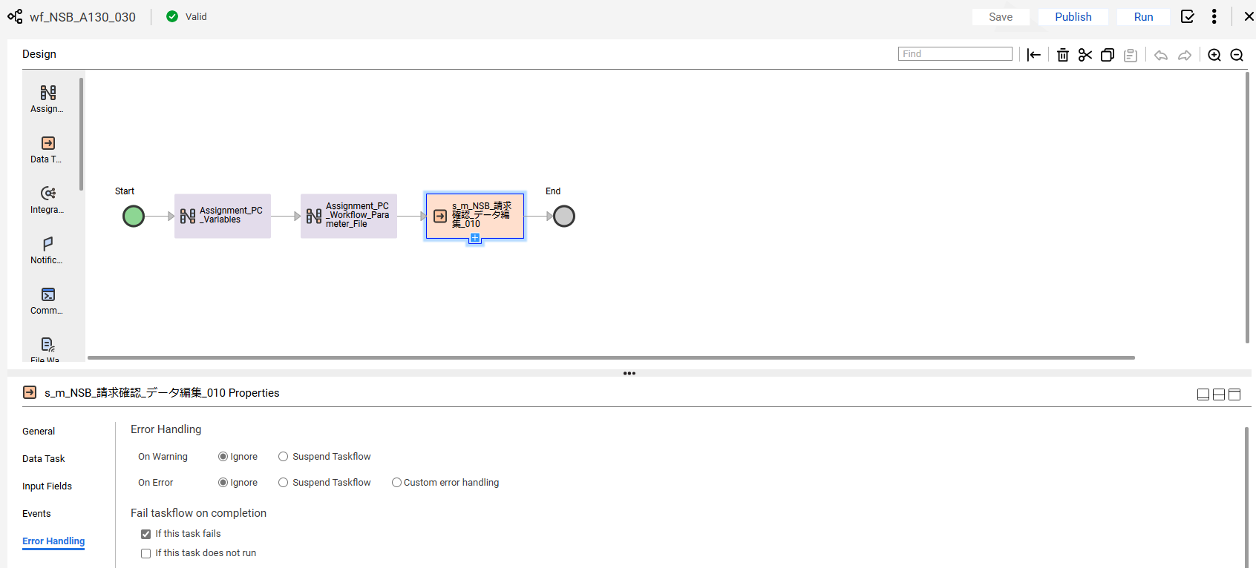

No.56 OK

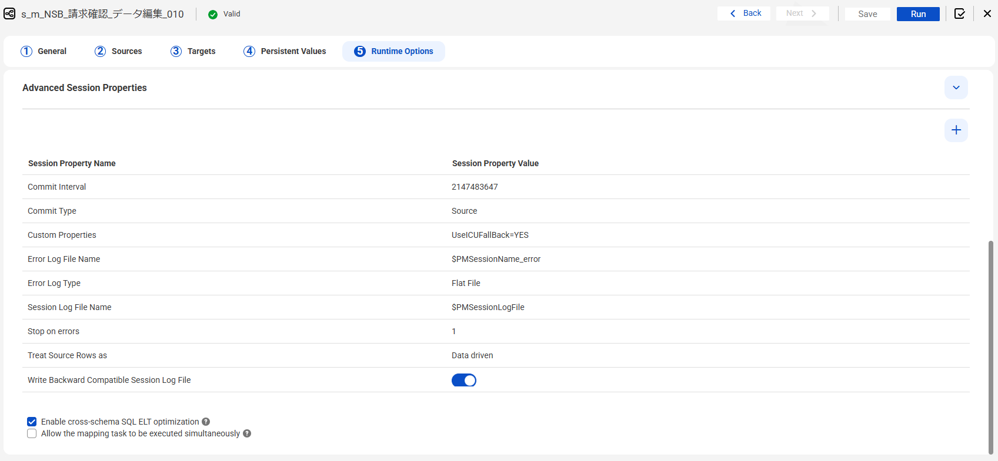

No.58 OK

END

異常終了_Abnormal
No.22

 | 前提条件 /Prerequisite

 | select * from J_EDI_SND_DB_SEIKYU_CHK a
 | where a.DATA_KOKAN_ID = '001440'
 | and a.EDI_KINO_CATEGORY_CD = 'A130'
 | and a.EDI_SND_JOKYO_SBT = '1'
 | for update wait 60;
 | SND_SEQ_NO | KEIJO_JOKYO_SBT | ERR_SBT | SIGN_KBN | SIR_DEN_NO | DATA_KOKAN_ID | EDI_KINO_CATEGORY_CD | ERR_MSG_HININ_RIYU | SOSHIKI_CD | TANTO | REG_YMD | KEIJO_YMD | SUP_CD | RCV_SEQ_NO | EDI_SND_JOKYO_SBT | SND_DT | SND_DATA_DEL_KBN | SHUKKA_HOKOKU_NO | ITEM_CD | EDI_SHOGO_KEY | HAN_CHUMON_NO | FUNC_UKETSUKE_NO | DEL_KBN | CREATE_DT | CREATE_USR | CREATE_FUNC | NEW_UPDATE_DT | NEW_UPDATE_USR | NEW_UPDATE_FUNC | UPDATE_CNT
 | S502163972 | 0 | 0 |  |  | 001440 | A130 |  | 23104 |  | 20190603 |  | 0014400004 | SA07129223 | 1 |  | 0 | 91855244 | 0000034601 | 31729991 |  | 631028 | 0 | 2019/06/03 21:15:31 | 99999 | SABN150PGM010 | 2025/06/16 11:36:45 | EDI | m_NSB_請求確認_データ編集_010 | 3
 | S502173906 | 1 | 0 |  | DB11597230 | 001440 | A130 |  | 22101 | 19028 | 20190618 | 20190617 | 0014400037 | SA07168411 | 1 |  | 0 | 91860725 | 0000036290 | 31723343 |  | 631028 | 0 | 2019/06/20 22:15:19 | 99999 | SABN150PGM010 | 2025/06/16 11:36:45 | EDI | m_NSB_請求確認_データ編集_010 | 3

 | NSBA130S02001ファイル削除
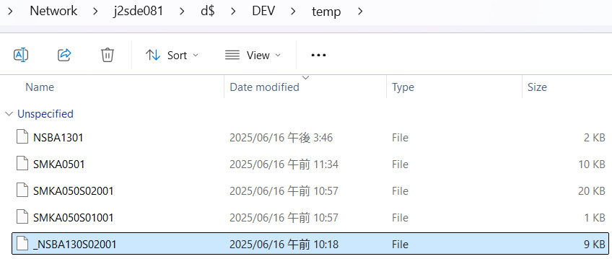

 | 実施 /Implementation

 | ジョブネットを起動→異常終了/Start job net → terminate abnormally
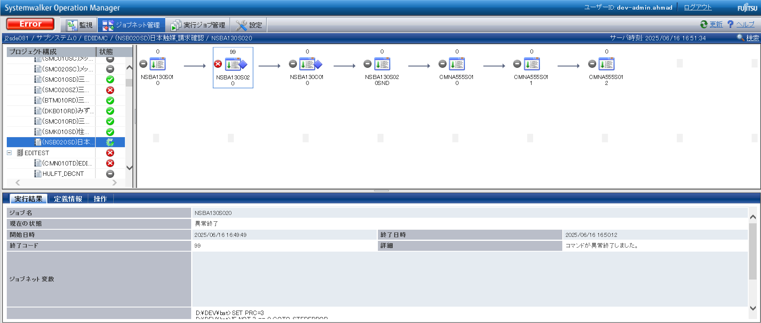

確認観点 ① /Confirmation viewpoint ①
Systemwalker終了コード"99"で終了を確認。/
Confirm termination with Systemwalker termination code "99"

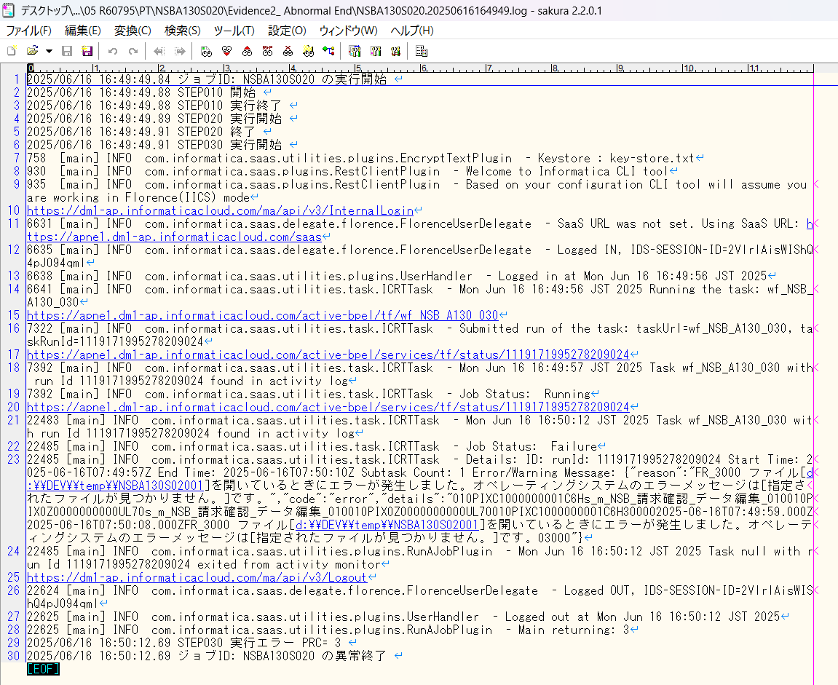

No.22 OK

END

0件_0 Data
No.21
No.34

 | 前提条件 /Prerequisite

 | select * from J_EDI_SND_DB_SEIKYU_CHK a
 | where a.DATA_KOKAN_ID = '001440'
 | and a.EDI_KINO_CATEGORY_CD = 'A130'
 | AND SND_SEQ_NO IN ('S502163972','S502173906')
 | and a.EDI_SND_JOKYO_SBT = '1'
 | SND_SEQ_NO | KEIJO_JOKYO_SBT | ERR_SBT | SIGN_KBN | SIR_DEN_NO | DATA_KOKAN_ID | EDI_KINO_CATEGORY_CD | ERR_MSG_HININ_RIYU | SOSHIKI_CD | TANTO | REG_YMD | KEIJO_YMD | SUP_CD | RCV_SEQ_NO | EDI_SND_JOKYO_SBT | SND_DT | SND_DATA_DEL_KBN | SHUKKA_HOKOKU_NO | ITEM_CD | EDI_SHOGO_KEY | HAN_CHUMON_NO | FUNC_UKETSUKE_NO | DEL_KBN | CREATE_DT | CREATE_USR | CREATE_FUNC | NEW_UPDATE_DT | NEW_UPDATE_USR | NEW_UPDATE_FUNC | UPDATE_CNT
 | NULL | NULL | NULL | NULL | NULL | NULL | NULL | NULL | NULL | NULL | NULL | NULL | NULL | NULL | NULL | NULL | NULL | NULL | NULL | NULL | NULL | NULL | NULL | NULL | NULL | NULL | NULL | NULL | NULL | NULL

 | 実施 /Implementation

 | ジョブネット実行 /Jobnet execution
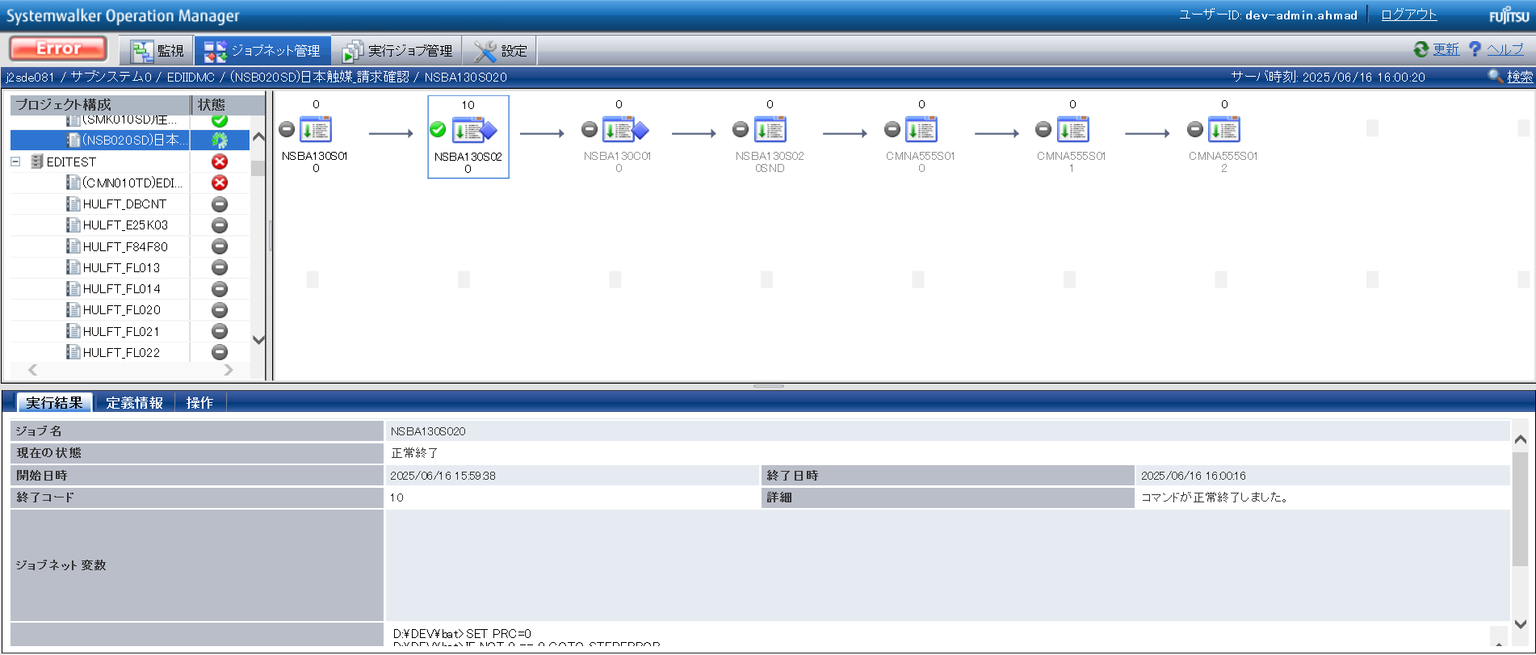

確認観点 ① /Confirmation viewpoint ①
/Systemwalker終了コード"10"で終了を確認。
/Confirmed termination with Systemwalker exit code "10".

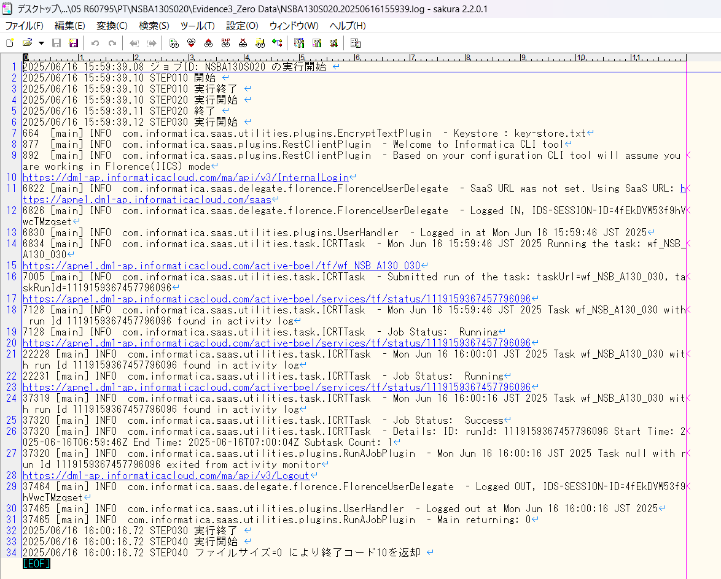

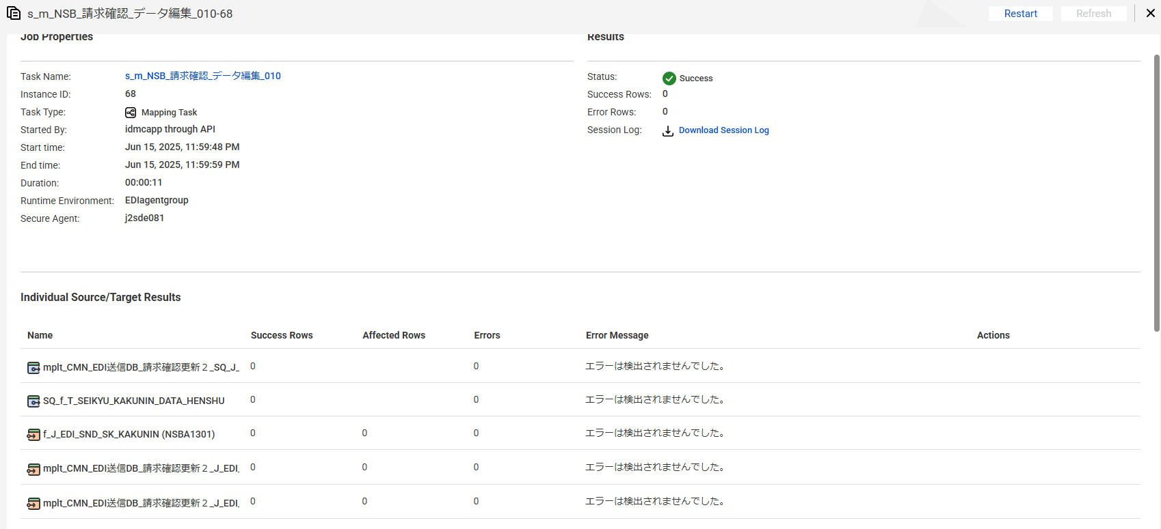

No.21 OK

END

パーツ_1
No.01

 | 前提条件 /Prerequisite

 | 特になし。
 | /N/A

 | 実施 /Implementation

No.01 OK

END

確認観点 ① /Confirmation viewpoint ①
○○○○を確認。/Confirm ○○○○
確認観点 /Confirmation viewpoint
以下の情報が出力されている /Below information is output
・開始メッセージ /Start message
・ステップメッセージ /Step message
・終了メッセージ /End message
確認観点 /Confirmation viewpoint
詳細が指定どおりであることを確認しました。
/Confirmed that the details are as specified.

 |  | ①②③④⑤⑥⑦⑧⑨⑩

 |  | テスト上重要な項目 /Important item for testing.
 |  | 申請番号 /Application No | 海外発注番号 /Oversea order No | 海外発注識別番号 /Overseas order identification number | 仕向国コード /Destination country code
 | → | #N/A | #N/A | #N/A | #N/A

 |  | Comment : 青セルに取得したい項目（和名）を入力してください。HLOOKUP内の検索範囲を調整してください。※使いづらかったら使わなくてOKです。
 |  | /Comment: Enter the item (Japanese name) to get in the blue cell. Please adjust the search range in HLOOKUP. * Do not use if it is difficult to use.

